Intro
Introduction to the CoC and Inverted Hyperfocal Distance Calculator | v4.9 |  |  | www.AccessZ.com

If you feel like jumping right into using the simplest of three calculator worksheets, without understanding what they do, select the "Ultra-Simple Calc" worksheet, at the bottom.

This tool is designed to improve the speed and accuracy with which landscape photographers can set the ideal Aperture and Focus Distance, when Infinity subjects are included in the
framed composition (using wide or ultra-wide lenses with various sensor sizes), to secure the photographer's personal, but well-quantified expectation of "acceptable sharpness," known as
a Desired Final Image Resolution, for the photographer's anticipated Enlargement Factor and Viewing Distance. (No Focus Stacking required, except perhaps for very deep subject spaces.)

Learning to trust Depth of Field calculations begins with realizing that the equation, which is older than any of us, requires a variable (the Maximum Permissible Circle of Confusion Diameter) that you can specify to control how "sharp" you expect the Near and Far limits of Depth of Field to be, at your intended enlargement factor and viewing distance. You do not have to resign yourself to using the standard/default Circle of Confusion Diameter that's found in most DoF apps and still incorporated within the engraved DoF scales, even on modern, manual-focus lenses made for digital cameras. This archaic default value was and continues to be ignorantly based on sensor size or camera make and model, which makes huge assumptions regarding your anticipated enlargement factor, viewing distance, and personally desired final image resolution.
A simple equation for calculating a customized Maximum Permissible CoC Diameter has been documented in the Wikipedia article, "Circle of Confusion" for many years. The "Calculator," "Simple Calculator," and "Ultra-Simple Calc" worksheets, accessed via the tabs below, deploy this trustworthy equation, making quick work of calculating a customized Maximum Permissible CoC Diameter, for use in any DoF app that actually permits direct user entry of a CoC diameter, instead of recklessly relying on a user's sensor size or camera make/mode to perform DoF calculations. Surprisingly, PhotoPills, for example, is not among the very few apps that do permit user-specification of a CoC diameter, even though it actually includes a function for calculating a custom CoC Diameter. (The left hand isn't talking to the right hand.) DoFMaster, on the other hand, provides a long list of selectable CoC diameters, hidden at the bottom of a drop list that begins with multiple makes and models of cameras (where the camera's sensor size is used to ensure a high probability of disappointment, a la PhotoPills). Sigh...
This Excel Workbook can serve THREE DIFFERENT FIELD METHODS for selecting an f-Number and Focus Distance, when shooting landscapes or architecture, for example: 1) Calculating a custom Maximum Permissible CoC Diameter (at the "Calculator," "Simple Calculator," or "Ultra-Simple Calc" worksheets, below) for specification in a Depth of Field app of your choice, to determine the ideal focus distance and nominal f-Number (widest aperture) for a given, framed subject space. This requires accurate distance measurements, especially for the Nearest subject in the framed composition and for the calculated focus distance, to facilitate the shortest possible exposures, while also securing your Desired Final Image Resolution at your Maximum Anticipated Enlargement Factor and Minimum Anticipated Viewing Distance (recording your well-quantified expectation of "acceptable sharpness," for your final image criteria). 2) Using your calculated Maximum Permissible CoC Diameter, you can optionally proceed with creation of what I call an Inverted Hyperfocal Distance Table (as found in the lower portions of the "Calculator," "Simple Calculator," or "Ultra-Simple Calc" worksheets. This table, customized to your specifications, displays the ideal Hyperfocal Distance and f-Number to be used for a carefully measured Near Distance, within any framed composition that includes subjects at Infinity. By default, prior to optional user configuration, the Inverted Hyperfocal Distance Table covers wide to ultra-wide Focal Lengths ranging from 9mm to 35mm. All sensor sizes are accommodated. The table's results are scaled to satisfy your calculated Maximum Permissible CoC Diameter and your choice of FLs (for either prime or zoom lenses, manual-focus or auto-focus). Having customized the Inverted Hyperfocal Distance Table, you can either print or take a screenshot of the entire table or only some portion of the table, as needed for use in the field. 3) Using your calculated Inverted Hyperfocal Distance Table, you also have the option of using its f-Number and Near Distance figures for Zone Focusing a lens, just once for multiple subsequent compositions, instead of once for each scene, whenever you have a "need for speed," as with street photography, thereafter concerning yourself only with maintaining a calculated minimum Near distance (half the Hyperfocal Distance), with each composition. Note that this Zone Focusing approach will still secure your Desired Final Image Resolution for both Near and Infinity subjects, but when shooting compositions where the Farthest subject is considerably closer than Infinity, you will be needlessly using slightly longer exposures and/or higher ISO settings, but this compromise is just the cost of convenience. (One might even choose to use Zone Focusing all day long, while shooting landscapes, but when time permits, shorter exposures/lower ISO settings can almost always be had by accurately measuring the Near distances for each composition, then using your customized Inverted Hyperfocal Distance Table to determine the ideal f-Number and Hyperfocal Distance, also accurately measured, for use with the current FL and framed subject space depth.
============================
Here is an overview of how to make use of your custom Maximum Permissible CoC Diameter and the Inverted Hyperfocal Distance Table (following the 2nd method listed above), to take all the guesswork out of selecting an aperture and focus distance when shooting landscapes, architecture or any other subject spaces where you can spend a couple of minutes setting up the shot, preferably with a tripod: Use a laser distance measure to accurately measure the distance from your camera's sensor plane to the Nearest subject in a framed composition, and to the Hyperfocal distance (at which you must focus), as indicated by the Inverted Hyperfocal Distance Table.
I use a small, lightweight, laser distance measure, the Bosch GLM165-40, as sold by several retailers (currently less than $100), but here's an Amazon link:
https://www.amazon.com/Bosch-Distance-Measure-165-Feet-GLM165-40/dp/B076C3TB8P
It takes me less than a minute, typically, to measure the distance to the Nearest subject in the frame, then look at my previously calculated and printed, Inverted Hyperfocal Distance Table, to find the corresponding smallest f-Number (largest aperture) that can secure my Desired Final Image Resolution, with my current Focal Length, at my Maximum Anticipated Enlargement Factor and Minimum Anticipated Viewing Distance. I then use the laser distance measure again, with Back Button Auto-Focus (the most accurate and fast way to focus a wide or ultra-wide lens), to lock the focus on an accurately measured, target that resides at the Hyperfocal Distance provided by the table.
Note that sometimes, nothing can be found within a framed composition on which to focus, that resides at the calculated Hyperfocal Distance. Solution: Remove the camera from the tripod and find a suitable target on which to lock the focus - a target that does reside at the calculated Hyperfocal Distance, then return the camera to the tripod and shoot. (This might add two more minutes, but I find myself having to do this only occasionally.)
By always using the (calculated) widest aperture that can secure your Desired Final Image Resolution (from Near to Far), you will always be shooting at the fastest possible shutter speed and/or lowest ISO rating for the available light. If either a DoF app (1st method, listed above) or the Inverted Hyperfocal Distance Table (2nd method) indicate, for the sake of obtaining sufficient DoF, that you would need to use an f-Number that's small enough to cause Diffraction to inhibit your Desired Final Image Resolution, reducing the entire image to a resolution that's less than your Desired Final Image Resolution, you have five choices: 1) Back away from the nearest subject, remeasure the Near Distance and lookup the new focus distance and a smaller f-Number, that will not induce visible diffraction in the final image, at the Maximum Anticipated Enlargement Factor and Minimum Anticipated Viewing Distance. or 2) Use a shorter Focal Length, with or without moving the camera, then remeasure then remeasure (if the Near distance has changed), and lookup the new (smaller) f-Number.
or 3) Willfully choose to reduce your previously specified Maximum Anticipated Enlargement Factor - while in the field, prior to making the exposure - to enlarge your Maximum Permissible CoC Diameter, proportionally, then re-calculate with your DoF app. This can only be done with the first method listed above (using a DoF app, in the field.) For example, if you are willing to make your final image 25% smaller, you can increase your previously calculated CoC diameter by 25%, for performing your DoF calculations - all without reducing your Desired Final Image Resolution and without changing your composition (to shoot a shallower subject space). or 4) Perform some combination of options 1 through 3, then remeasure and recalculate. or 5) Put the camera back in the bag and walk away, rather than simply taking the shot anyway, which can only reduce your Desired Final Image Resolution - the compromise that many photographers make frequently and unknowingly, without discovering the consequences until they examine the shot later, at their intended Enlargement Factor and Viewing Distance. ============================
If you want to produce stunningly detailed final images, without resorting to time-consuming and fault-prone Focus Stacking (is the wind blowing?), you have to be disciplined in your fieldwork, but... To make this all sound a bit less scary, let me add that I've been doing all of the above for almost 30 years, including the use of laser distance measures, mostly with twin Mamiya 7ii, 120-format film cameras, to produce stereo images with subject detail that approaches the limits of what human vision can appreciate.
The hard part is not the field work - that becomes second nature, fun, and very rewarding and seldom disappointing. The hard part is doing your homework - which only has to be done once, unless you decide to tweak your Desired Final Image Resolution, to achieve more or less resolution at the Near and Far sharps - as evaluated only at your intended Enlargement Factor and Viewing Distance.
In summary, this precision approach requires four things: A Maximum Permissible CoC Diameter that matches your needs and well-defined expectations for "acceptable sharpness," a DoF app that accepts direct entry of your calculated CoC diameter, a laser distance measure, plus back button auto-focus (to quickly set and lock your focus at calculated distances.)

I made the following post at a DPReview forum. It summarizes the problem and the solution: |  |  | This is an example of a hand-typed Hyperfocal Distance Table
https://www.dpreview.com/forums/post/68414154 | Bosch GLM 165-40 |  | that I have taped to the battery compartment door of my
 |  |  | Bosch GLM 165-40, having extracted distance data from my
 |  | Available at several retailers. | customized Inverted Hyperfocal Distance Table. It covers the FLs
 |  |  | I use with a Sony APS-C sensor (Venus Optics Laowa 9mm f/2.8,
 |  |  | Sony E PZ 10-20mm f/4 G, and Sigma 18-50mm f/2.8 DC DN).
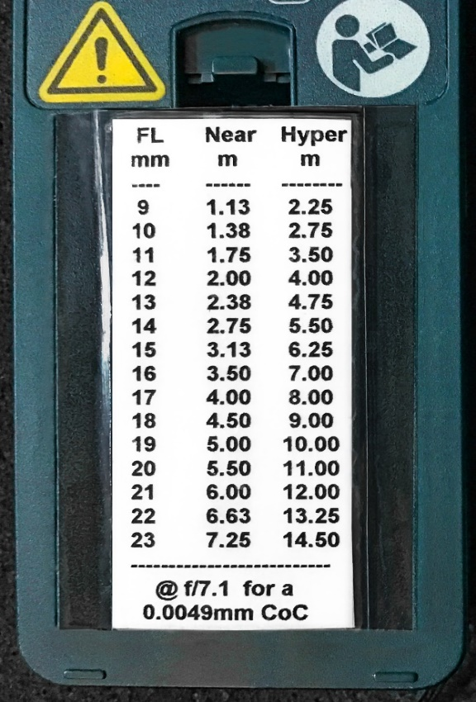

 |  |  | Near and Hyperfocal distances shown for each FL, are appropriate
 |  |  | only at f/7.1 (beyond which Diffraction would begin to inhibit my
 |  |  | Desired Final Image Resolution of 5.67 lp/mm (288 ppi), at my
 |  |  | Maximum Anticipated Enlargement Factor and
 |  |  | Minimum Anticipated Viewing Distance.

Proceed to the "Calculator" -or- "Simple Calc" -or- "Ultra-Simple Calc" tab, below (or dive further into the background material by first reading the "Assertion" tab).

Calculator
Calculating a customized CoC Diameter and Inverted Hyperfocal Distance Table |  |  |  |  |  |  |  |  |  |  |  |  |  |  |  |  |  |  |  |  | v4.9 |  |  |  | www.AccessZ.com
Warning: For ease of scrolling down through lines of text that reside between input fields, this worksheet is "unprotected" (as specified in the Review action menu, above). Try not to make unintentional changes in other cells.

 | The customized CoC Diameter can be used, in this same worksheet, to also calculate an Inverted Hyperfocal Distance Table, or it can be specified in your choice of DoF or Hyperfocal Distance apps that allow
 | direct entry of a custom CoC Diameter. DoF apps that expect users to select a camera make and model or sensor size, are responsible for widespread distrust in DoF calculations, due to several embedded
 | assumptions. Not everyone using a given sensor size has the exact same expectations for Maximum Anticipated Enlargement Factor, Minimum Anticipated Viewing Distance, or Desired Final Image Resolution.

 | The Inverted Hyperfocal Distance Table is unique, in that it displays the smallest f-Numbers (widest apertures) that can be used to satisfy your personal DoF expectations, in familiar 1/3rd stop increments, for
 | various combinations of FL and Hyperfocal Distance. Rather than starting with an arbitrarily chosen f-Number, to then lookup a Hyperfocal Distance for a given FL (as is done with typical Hyperfocal Distance
 | Tables), this inverted approach begins with the photographer ACCURATELY measuring the distance to the Nearest subject in a framed composition, to then lookup both the appropriate f-Number and the
 | Hyperfocal Distance at which to ACCURATELY focus. DoF calculations use a customized Maximum Permissible CoC Diameter, instead of relying on an irrelevant CoC Diameter, based solely on sensor size.

 | This approach can be used for shooting landscapes that Include Infinity subjects, varying the f-Number and focus distance from one scene to the next, very quickly achieving accurate, consistent results.
 | Or it can be used for Zone Focusing, where the focus is locked at a calculated Hyperfocal Distance that will suit your requirements, for street photography or other subjects shot with wide angle lenses,
 | where working quickly takes priority over securing the shortest possible shutter speeds for each scene, while also securing sufficient DoF. Both applications can be quickly performed with either manual
 | focus or Back Button AutoFocus, by carrying a lightweight, inexpensive laser distance measure and a screenshot or printed copy of your customized Inverted Hyperfocal Distance Table (as seen below).

Proceed with the inputs needed for calculating a Maximum Permissible CoC Diameter that is customized to your needs and expectations:
 | Input fields are highlighted in yellow.

5.00 | Specify your Desired Final Image Resolution, expressed as the lp/mm you require for a 25cm viewing distance, even if your final images will be viewed at greater distances.
 | Quick Start Tip: Try a value of 5 lp/mm to begin with - the equivalent of a 250 ppi print density. |  |  |  |  |  |  |  |  |  |  |  |  |  |  |  |  |  |  |  | Read the "Desired Resolution" tab, below.

 | 250 | ppi: This is the equivalent un-resampled Image File Density, in ppi, required to deliver your Desired Final Image Resolution worth of true subject detail.

18.50 | Specify your Maximum Anticipated Enlargement Factor (the ratio of your largest anticipated print dimensions / sensor dimensions). Read the "Enlargement Factor" tab, below.
 | Quick Start Tip: Try a value of 18.50 for a 24MP APS-C sensor, to produce up to 17-inch prints (long dimension), at 250 ppi (a 5 lp/mm Final Image Resolution).
 |  |  |  | Try a value of 26.10 for a 48MP fullframe sensor, to produce up to 24-inch prints (long dimension), at up to 250 ppi (a 5 lp/mm Final Image Resolution).

 | Make sure you are specifying a realistic Anticipated Enlargement Factor.
 |  | Use the subroutine, below, to calculate the largest final image dimensions your CMOS sensor can produce, while still satisfying your Desired Final Image Resolution:
 |  | Note that the subroutine, below, only estimates the combined optical and sensor-based resolution losses, based on Imatest resolution data for one of the highest resolving, yet common lenses.

 |  | Equations used: |  |  | Estimated Largest Possible Final Image WIDTH, in inches = Sensor WIDTH, in pixels * 0.8375 / Desired Final Image Resolution, in ppi
 |  |  |  |  | Estimated Largest Possible Final Image HEIGHT, in inches = Sensor HEIGHT, in pixels * 0.8375 / Desired Final Image Resolution, in ppi
 |  |  |  |  |  |  |  |  | If you are curious about the constant, 0.8375, read the "Enlargement Factor" tab, below.
 |  |  |  |  | Enlargement Factor = Final Image HEIGHT, in mm / Sensor HEIGHT, in mm

 | 6000 | Specify your Sensor Width, in pixels |  |  |  |  |  |  |  |  |  |  |  |  |  |  |  |  |  |  | You can research your camera's sensor specs here: | https://www.digicamdb.com/
 | 4000 | Specify your Sensor Height, in pixels |  |  |  |  |  |  | 24.0 | Megapixels

 | 20.10 | in. - This is the Estimated Largest Possible Final Image WIDTH your sensor's pixel count can produce, while still satisfying your Desired Final Image Resolution.
 | 13.40 | in. - This is the Estimated Largest Possible Final Image HEIGHT your sensor's pixel count can produce, while still satisfying your Desired Final Image Resolution.
 | 51.1 | cm - This is the Estimated Largest Possible Final Image WIDTH your sensor's pixel count can produce, while still satisfying your Desired Final Image Resolution.
 | 34.0 | cm - This is the Estimated Largest Possible Final Image HEIGHT your sensor's pixel count can produce, while still satisfying your Desired Final Image Resolution.

 | 15.6 | Specify your Sensor Height (shortest dimension), in mm. Example: 15.6mm for Sony APS-C and 24.0mm for a full-frame sensor. Otherwise, you can research your Sensor Height…

 | 23.40 | This is your Sensor Width (longest dimension), in mm, based on your specified pixel dimensions and Sensor Height. |  |  |  |  |  |  |  |  |  |  |  |  |  |  |  |  |  |  |  |  | … here: | https://www.digicamdb.com/

 | Choose one of the Enlargement Factors shown in this table (calculated for various print sizes), entering it above, as your Maximum Anticipated Enlargement Factor...

 |  | 10.9 | This is the Enlargement Factor imposed with an uncropped 10-in print (long dimension), with your sensor (ignores your Desired Final Image Resolution, specified above).
 |  | 13.0 | This is the Enlargement Factor imposed with an uncropped 12-in print (long dimension), with your sensor (ignores your Desired Final Image Resolution, specified above).
 |  | 18.5 | This is the Enlargement Factor imposed with an uncropped 17-in print (long dimension), with your sensor (ignores your Desired Final Image Resolution, specified above).
 |  | 20.6 | This is the Enlargement Factor imposed with an uncropped 19-in print (long dimension), with your sensor (ignores your Desired Final Image Resolution, specified above).
 |  | 21.7 | This is the Enlargement Factor imposed with an uncropped 20-in print (long dimension), with your sensor (ignores your Desired Final Image Resolution, specified above).
 |  | 26.1 | This is the Enlargement Factor imposed with an uncropped 24-in print (long dimension), with your sensor (ignores your Desired Final Image Resolution, specified above).
 |  | 33.4 | This is the Enlargement Factor imposed with an uncropped 30-in print (long dimension), with your sensor (ignores your Desired Final Image Resolution, specified above).
 |  | 43.4 | This is the Enlargement Factor imposed with an uncropped 40-in print (long dimension), with your sensor (ignores your Desired Final Image Resolution, specified above).
 |  |  | Enlargement Factors highlighted in red exceed your Estimated Largest Possible Enlargement Factor, below, for the Desired Final Image Resolution you specified above.

 | OR… Suffer the more restrictive, lack of DoF had by entering this Estimated Largest Possible Enlargement Factor, as your Anticipated Maximum Enlargement Factor, above.

 | 21.8 | This is your Estimated Largest Possible Enlargement Factor, for your sensor, at your Desired Final Image Resolution.

 |  |  | Enter this Estimated Largest Possible Enlargement Factor as your Anticipated Maximum Enlargement Factor, at the top of this section, only if you will sometimes make prints this large!
 |  |  | In other words, if you will never be making Final Images as large as the Estimated Largest Possible Final Image Width and Height, you should enter a smaller value as your Anticipated Enlargement Factor.
 | Read this |  | Keep in mind that it’s advantageous to calculate DoF or Hyperfocal Distance with the intention of making a smaller print than is maximally possible, given your sensor’s pixel count. Just as with
 | before |  | lowering your desired final image resolution, lowering your enlargement factor will allow you to shoot deeper subject spaces, with greater DoF (closer Nears and farther Fars) for any given FL and
 | proceeding. |  | f-Number. But, if you want to shoot every scene to support your largest possible print size, feel free to shoot shallower subject spaces and/or use larger f-Numbers, thus suffering longer exposures
 |  |  | and/or higher ISO settings and/or increased vulnerability to diffraction, all as a result of NOT wanting to shoot or calculate DoF, with the intention of making smaller prints than maximally possible.

 | 25.0 | Specify your Anticipated Minimum Viewing Distance, expressed in cm. How closely do you want your final images to survive scrutiny? (Those with healthy or corrected vision can focus a closely as 25cm.)
 | 9.84 | in. | Quick Start Tip: Try a value of 25 cm, unless you are certain your final images will not be viewed that closely - or you prefer to assume that most will view from a greater specified distance.
 |  |  |  | Read the "Viewing Distance" tab, below.

 |  |  |  | You can give yourself additional DoF, allowing you to shoot deeper subject spaces at the same f-Number, by assuming that no one will stand any closer than the diagonal of your anticipated print,
 |  |  |  | for example. However, this assumption can lead to disappointment, in part because you might find yourself pixel-peeping at a closer viewing distance than you specified here, for calculation of your
 |  |  |  | customized Maximum Permissible CoC Diameter (below). Always evaluate DoF (and/or diffraction) at the intended enlargement factor and viewing distance. Read the "Viewing Distance" tab, below.

We now have the three input variables needed for calculating a customized Maximum Permissible CoC Diameter, for use in your choice of DoF or Hyperfocal Distance calculators or apps
that permit direct user entry of a CoC Diameter instead of forcing users to select an irrelevant sensor size (or camera make and model) - the primary reason so many photographers don't trust DoF calcs.

We can rely on the equation provided in the Wikipedia article titled, “Circle of Confusion,” as found at: |  |  |  |  |  |  |  |  |  |  |  |  |  |  |  |  | https://en.wikipedia.org/wiki/Circle_of_confusion :

 | Quoting the article (For clarity, I have enhanced the wording and punctuation used in the equation, without modifying the arithmetic.):
 |  | ---
 |  | The common values for CoC limit may not be applicable if reproduction or viewing conditions differ significantly from those assumed in determining those values. If the original image will be given greater
 |  | enlargement, or viewed at a closer distance, then a smaller CoC will be required. All three factors above are accommodated with this formula:

 | Equation used: |  |  | Maximum Permissible CoC Diameter (in mm) = (viewing distance, in cm / 25 cm ) / desired final image resolution, in lp/mm for a 25 cm viewing distance / enlargement factor / 2 lines per line pair
 |  | ---

 | 0.0054 | mm: This is your calculated Maximum Permissible CoC Diameter, for use in any DoF or Hyperfocal Distance app that permits direct entry of a CoC Diameter.
 |  | Specify this calculated Maximum Permissible CoC Diameter in your choice of DoF calculators, apps or other tools that permit user-specification of a CoC diameter, instead of relying only on your sensor
 |  | size, as when selecting your camera make and model from a list.

OPTIONAL SECTION (for the nerdiest of nerds): Identifying the Smallest Practical CoC Diameter for Your Lens and Sensor, Based on Imatest MTF50 LW/PH measurements.

 |  | "LW/PH" means "Line Widths per Picture Height" or, for our purposes here, "LW per Sensor Height." |  |  |  |  |  |  |  |  |  |  |  |  |  |  |  | If interested, study this page: |  |  |  |  | https://www.imatest.com/imaging/sharpness/

You've calculated a Maximum Permissible CoC Diameter for use in DoF calculations, but there's no point in pursuing a resolution that your lens and sensor, together as a system, cannot
resolve. Even if you made use of the subroutine above, for ESTIMATING the Largest Possible Enlargement Factor for your sensor and/or made use of the Enlargement Factors shown for
various print sizes, you might still have specified a Maximum Anticipated Enlargement Factor for your Desired Final Image Resolution, that your highest resolution lens cannot support.

THIS OPTIONAL SECTION WILL BE MOST USEFUL TO THOSE WHOSE HIGHEST RESOLVING LENS CANNOT PERFORM AT LEAST AS WELL AS THE BEST OFFERINGS FOR THEIR SENSOR.

 |  |  |  |  |  |  |  |  |  |  |  |  |  |  | In fact, if you have a favorite lens that you know to be "soft," in terms of capturing subject detail, you might want to go through
 |  |  |  |  |  |  |  |  |  |  |  |  |  |  | this exercise just to increase your CoC Diameter for doing DoF calculations for THAT one lens (to shoot deeper scenes with impunity).

This time-consuming section presents an opportunity for greater precision in specifying your Maximum Anticipated Enlargement Factor, by taking into account the actual resolution
of your lens/sensor combination. This additional effort, made here, might allow the use of a larger Maximum Permissible Circle of Confusion Diameter and, thus, the use of faster
shutter speeds, and/or lower ISO settings, thanks to using wider apertures, even when shooting deeper subject spaces - gifts that come with using lenses of average resolution! LOL

It's possible that your calculated Maximum Permissible CoC Diameter (above) is smaller than necessary for a given lens and sensor combination's total system resolution. This possibility can be ruled out by searching
online for Imatest results for your lens, mounted on your sensor. Results might not be found for a given combination of lens and sensor, but I am encouraging you to at least attempt a search, because following the
instructions below could reveal that your calculated Maximum Permissible CoC Diameter is SMALLER than one line width, per Imatest results. Following these instructions might allow you to shoot deeper subject
spaces with any given f-Number, or the same subject spaces with a wider aperture. Feel free to skip this section and risk the possibility of longer exposures, higher ISO settings, and/or shooting shallower subject
spaces, all due to performing DoF calculations using too small a CoC diameter for your lens/sensor resolution.

If it's not clear already, please understand that this Optional procedure will determine whether or not your calculated Maximum Permissible CoC Diameter (above) is too small for the total system resolution of any
lens/sensor combination for which you can find Imatest results, online. On following these instructions, if you discover that your calculated Maximum Permissible CoC Diameter is NOT too small, then it's OK to use
it, as calculated, for performing DoF or Hyperfocal Distance calculations for that lens. If, on the other hand, you discover your calculated Maximum Permissible CoC Diameter is indeed smaller than can be resolved
by your lens/sensor combination, you SHOULD make use of a LARGER CoC Diameter when performing DoF calculations for that lens. This section, will calculate this larger, Imatest CoC Diameter for DoF calculations,
a CoC diameter that will only just match the highest resolution line width per picture height (LW/PH) reported by Imatest, for your lens/sensor combination. This could allow you to shoot deeper subject spaces with
faster shutter speeds, compared to performing DoF calculations with a smaller Maximum Permissible CoC Diameter (as calculated above). Again, it's possible that your calculated CoC is not too small. Let's find out…

Step 1: Use the Search fields found at the following sites, to lookup Imatest MTF50 LW/PH results for your lens/sensor combinations, to determine which of your lenses captures the highest resolution.

 | https://opticallimits.com/
 | https://photozone.de/Reviews |  |  |  |  | (older site, with some test results for older lenses than the new parent site, Optical Limits, above)
 | https://www.ephotozine.com/
 | https://photographylife.com/lens-reviews

 | Note: DXOMARK Lens Reviews do not use Imatest MTF50 LW/PH scores to measure resolution.
 | https://www.dxomark.com/camera-lenses/reviews/

Step 2: Once you have found an Imatest MTF50 LW/PH chart for the lens/sensor combination of interest, find the highest LW/PH value across all f-Numbers. (You might have to interpolate a value with some charts.)

 | Prime Lens Example, for the Sigma 16mm f/1.4 DC DN, on Sony APS-C |  |  |  |  |  |  |  |  |  |  |  |  |  | Prime Lens Example, for the Venus Optics Laowa 9mm f/2.8 Zero-D, on Sony APS-C
 |  | Source: | https://opticallimits.com/sony/sigma-16mm-f-1-4-dc-dn-contemporary-review/ |  |  |  |  |  |  |  |  |  |  |  |  | Source: | https://www.ephotozine.com/article/laowa-9mm-f-2-8-zero-d-review-32134
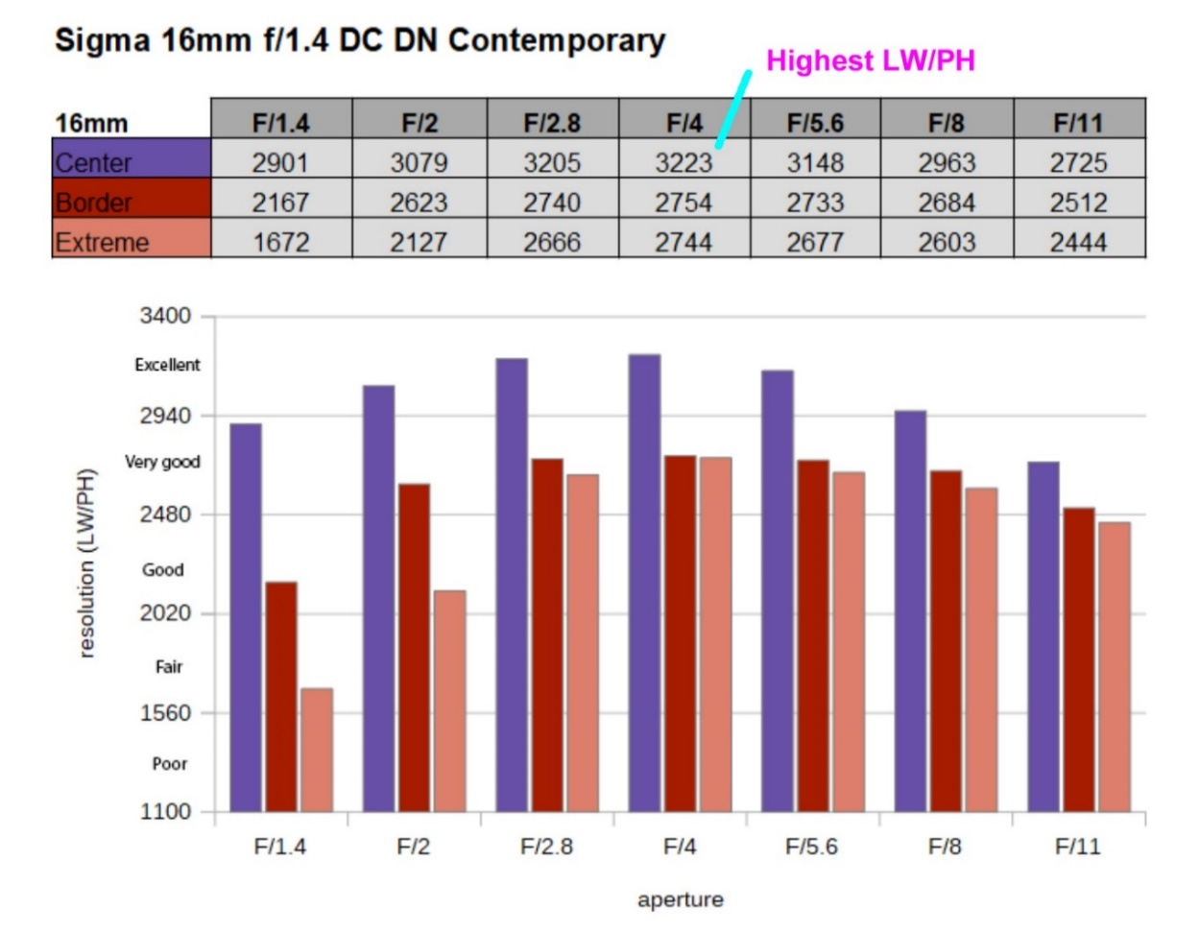
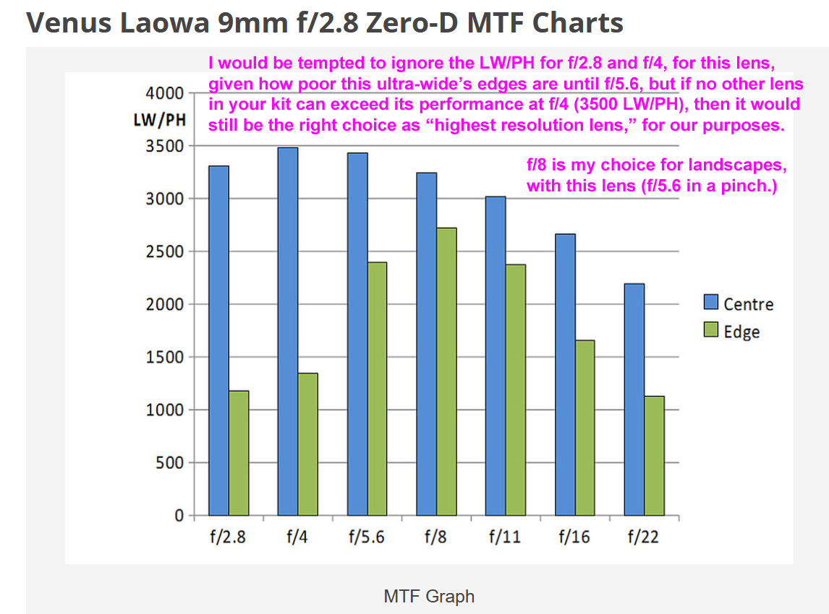

 | Zoom Lens Example, for the Sony E PZ 10-20mm f/4 G, on Sony APS-C |  |  |  |  |  |  |  |  |  |  |  |  | Source: | https://www.ephotozine.com/article/sony-e-10-20mm-f-4-pz-g-lens-review-36095/performance

Step 3: Specify the following input values to calculate the smallest practical CoC diameter that can be resolved by the lens that has the highest resolution:

 | 3550 | Specify the highest MTF50 LW/PH value seen in the Imatest chart for the lens/sensor of interest.

15.6 | This is your specified Sensor Height, in mm, from the Enlargement Factor subroutine, above. |  |  |  |  |  |  |  |  |  |  |  |  |  |  |  |  |  |  |  |  | Sensor specifications can be found here: | https://www.digicamdb.com/

0.0044 | mm: This is your Imatest CoC Diameter - the smallest CoC Diameter that can be resolved by your highest resolving lens/sensor combination, matching the smallest line width reported in your Imatest chart.

 | This Imatest CoC Diameter is needed to support the highest LW/PH value in the Imatest results, but it might not be small enough to satisfy your Desired Final Image Resolution, at your Maximum
 | Anticipated Enlargement Factor and Minimum Anticipated Viewing Distance. THIS would be a problem, because it means your specified Maximum Anticipated Enlargement Factor is greater than can be
 | supported by your highest resolution lens, for your Desired Final Image Resolution and Minimum Anticipated Viewing Distance. Your "desires" might be unachievable, even with your highest resolution lens.

Step 4: READ the following text to determine if your calculated Maximum Permissible CoC Diameter is too small to be resolved by this lens/sensor combination:

Your Imatest CoC Diameter is SMALLER than needed for your Desired Final Image Resolution. It's OK to use your calculated Maximum Permissible CoC Diameter for DoF calculations with this lens. PLEASE SKIP STEP 5.

Step 5: | If and only if the value entered in Step 3, relates to your highest resolution lens - AND - the instruction in Step 4 begins, "Your Imatest CoC Diameter is LARGER…", you should reduce your unrealistic Maximum
 | Anticipated Enlargement Factor. This will enlarge your calculated Maximum Permissible CoC Diameter to match your Imatest CoC Diameter (for your highest resolution lens). This will allow the shooting of
 | deeper subject spaces or using wider apertures, for faster shutter speeds and/or lower ISO settings. I do not recommend reducing your originally specified Desired Final Image Resolution or increasing your
 | originally specified Minimum Anticipated Viewing Distance, but that's your choice, and would provide another way to enlarge your calculated Maximum Permissible CoC Diameter for DoF calculations, so
 | that it is not smaller than your highest resolution lens can resolve (so that your DoF calculations will not force the shooting of shallower subject spaces, or longer exposures, or higher ISO settings).

SKIP | Enter this value as your Maximum Anticipated Enlargement Factor (smaller than you originally specified, above), to acknowledge the limited resolution of your best lens, and shoot deeper subject spaces!

Take note of the following f-Number - the largest that you can use with any lens, to prevent diffraction from inhibiting your Desired Final Image Resolution:

 | Equation used: |  |  | The f-Number at which Diffraction will BEGIN to visibly inhibit a Desired Final Image Resolution for a properly calculated Maximum Permissible CoC Diameter = Max. CoC / 0.00135383

 |  |  |  |  | This equation is discussed in David Jacobson's Lens Tutorial (1998): |  |  |  |  |  |  |  |  |  | https://www.largeformatphotography.info/archives/JacobsonLensTutorial.pdf

 | 8.0 | This is the f-Number at which Diffraction will just BEGIN to inhibit your Desired Final Image Resolution, at your specified Enlargement Factor and Viewing Distance.
 |  | Stopping down much further than this, in a quest for additional DoF, is counterproductive, as Diffraction can visibly soften the entire image uniformly, not just at the Near and Far limits of DoF,
 |  | for any given combination of Desired Final Image Resolution, Maximum Anticipated Enlargement Factor, and Minimum Anticipated Viewing Distance.

You can stop here, using your calculated Maximum Permissible CoC Diameter with some other DoF or Hyperfocal Distance calculator that actually permits user-entry of a CoC Diameter,

… or you can continue with this Worksheet, specifying your calculated Maximum Permissible CoC Diameter, below, as an input for creating a custom Inverted Hyperfocal Distance Table.

Note that I did not force a connection between the Maximum Permissible CoC calculated above, and the Inverted Hyperfocal Distance Table, below. I wanted to facilitate the freedom
to experiment with the CoC value (in the yellow input field, below), to directly influence the f-Numbers shown in the table, independent of the calculated Max. CoC Diameter, above.)

Proceed with customizing an Inverted Hyperfocal Distance Table that conforms to your choice of Maximum Permissible CoC Diameter.

0.0054 | This is your calculated Maximum Permissible CoC Diameter, copied from above.

 | 0.0054 | Specify a carefully considered Maximum Permissible Circle of Confusion, using the value calculated above, or a different value of your choice (for experimentation, while watching the table, below.)
 |  | Good: You have specified a CoC value that is equal to that which was calculated to satisfy your Desired Final Image Resolution, Enlargement Factor and Viewing Distance, as specifiied above.

Print or take a screenshot of any portion of the Inverted Hyperfocal Distance Table, below, for use when shooting scenes that include Infinity:

FLs at the top of the table are highlighted as yellow INPUT fields, so feel free to customize the table by overwriting the default values, left-to-right, to cover your shortest primes. (E.g.: 9, 12, 16, 23, and 30)

If familiar with Excel, you can remove excess rows or columns, as you see fit, but start by saving this file under a new name, then select "Review -> Unprotect Sheet" from the Excel action menu.

 |  |  |  |  |  |  |  |  |  |  |  |  |  |  |  |  | Maximum Permissible CoC Diameter (mm) used to calculate this Inverted Hyperfocal Distance Table: | 0.0054 |  |  |  |  |  |  |  |  |  |  | Diffraction will BEGIN to inhibit your Desired Final Image Resolution at f/ | 8.0

ft | ft | m | m | FL ---->
Near | Hyper | Near | Hyper | 9 | 10 | 11 | 12 | 13 | 14 | 15 | 16 | 17 | 18 | 19 | 20 | 21 | 22 | 23 | 24 | 25 | 26 | 27 | 28 | 29 | 30 | 31 | 32 | 33 | 34 | 35
0.41 | 0.82 | 0.13 | 0.25 | D | D | D | D | D | D | D | D | D | D | D | D | D | D | D | D | D | D | D | D | D | D | D | D | D | D | D
0.82 | 1.64 | 0.25 | 0.50 | D | D | D | D | D | D | D | D | D | D | D | D | D | D | D | D | D | D | D | D | D | D | D | D | D | D | D
1.23 | 2.46 | 0.38 | 0.75 | D | D | D | D | D | D | D | D | D | D | D | D | D | D | D | D | D | D | D | D | D | D | D | D | D | D | D
1.64 | 3.28 | 0.50 | 1.00 | D | D | D | D | D | D | D | D | D | D | D | D | D | D | D | D | D | D | D | D | D | D | D | D | D | D | D
2.05 | 4.10 | 0.63 | 1.25 | D | D | D | D | D | D | D | D | D | D | D | D | D | D | D | D | D | D | D | D | D | D | D | D | D | D | D
2.46 | 4.92 | 0.75 | 1.50 | 10.1 | D | D | D | D | D | D | D | D | D | D | D | D | D | D | D | D | D | D | D | D | D | D | D | D | D | D
2.87 | 5.74 | 0.88 | 1.75 | 9.0 | 10.1 | D | D | D | D | D | D | D | D | D | D | D | D | D | D | D | D | D | D | D | D | D | D | D | D | D
3.28 | 6.56 | 1.00 | 2.00 | 7.1 | 9.0 | 11.3 | D | D | D | D | D | D | D | D | D | D | D | D | D | D | D | D | D | D | D | D | D | D | D | D
3.69 | 7.38 | 1.13 | 2.25 | 6.3 | 8.0 | 10.1 | D | D | D | D | D | D | D | D | D | D | D | D | D | D | D | D | D | D | D | D | D | D | D | D
4.10 | 8.20 | 1.25 | 2.50 | 5.7 | 7.1 | 9.0 | 10.1 | D | D | D | D | D | D | D | D | D | D | D | D | D | D | D | D | D | D | D | D | D | D | D
4.51 | 9.02 | 1.38 | 2.75 | 5.7 | 7.1 | 8.0 | 10.1 | D | D | D | D | D | D | D | D | D | D | D | D | D | D | D | D | D | D | D | D | D | D | D
4.92 | 9.84 | 1.50 | 3.00 | 5.0 | 6.3 | 7.1 | 9.0 | 10.1 | D | D | D | D | D | D | D | D | D | D | D | D | D | D | D | D | D | D | D | D | D | D
5.33 | 10.66 | 1.63 | 3.25 | 4.5 | 5.7 | 7.1 | 8.0 | 10.1 | 11.3 | D | D | D | D | D | D | D | D | D | D | D | D | D | D | D | D | D | D | D | D | D
5.74 | 11.48 | 1.75 | 3.50 | 4.5 | 5.0 | 6.3 | 8.0 | 9.0 | 10.1 | D | D | D | D | D | D | D | D | D | D | D | D | D | D | D | D | D | D | D | D | D
6.15 | 12.30 | 1.88 | 3.75 | 4.0 | 5.0 | 5.7 | 7.1 | 8.0 | 10.1 | 11.3 | D | D | D | D | D | D | D | D | D | D | D | D | D | D | D | D | D | D | D | D
6.56 | 13.12 | 2.00 | 4.00 | 3.6 | 4.5 | 5.7 | 6.3 | 8.0 | 9.0 | 10.1 | D | D | D | D | D | D | D | D | D | D | D | D | D | D | D | D | D | D | D | D
6.97 | 13.94 | 2.13 | 4.25 | 3.6 | 4.5 | 5.0 | 6.3 | 7.1 | 9.0 | 10.1 | 11.3 | D | D | D | D | D | D | D | D | D | D | D | D | D | D | D | D | D | D | D
7.38 | 14.76 | 2.25 | 4.50 | 3.2 | 4.0 | 5.0 | 5.7 | 7.1 | 8.0 | 9.0 | 10.1 | D | D | D | D | D | D | D | D | D | D | D | D | D | D | D | D | D | D | D
7.79 | 15.58 | 2.38 | 4.75 | 3.2 | 4.0 | 4.5 | 5.7 | 6.3 | 8.0 | 9.0 | 10.1 | 11.3 | D | D | D | D | D | D | D | D | D | D | D | D | D | D | D | D | D | D
8.20 | 16.40 | 2.50 | 5.00 | 3.2 | 3.6 | 4.5 | 5.7 | 6.3 | 7.1 | 8.0 | 9.0 | 10.1 | D | D | D | D | D | D | D | D | D | D | D | D | D | D | D | D | D | D
8.61 | 17.22 | 2.63 | 5.25 | 2.8 | 3.6 | 4.5 | 5.0 | 5.7 | 7.1 | 8.0 | 9.0 | 10.1 | D | D | D | D | D | D | D | D | D | D | D | D | D | D | D | D | D | D
9.02 | 18.04 | 2.75 | 5.50 | 2.8 | 3.2 | 4.0 | 5.0 | 5.7 | 6.3 | 8.0 | 9.0 | 10.1 | 11.3 | D | D | D | D | D | D | D | D | D | D | D | D | D | D | D | D | D
9.43 | 18.86 | 2.88 | 5.75 | 2.5 | 3.2 | 4.0 | 4.5 | 5.7 | 6.3 | 7.1 | 8.0 | 9.0 | 10.1 | D | D | D | D | D | D | D | D | D | D | D | D | D | D | D | D | D
9.84 | 19.69 | 3.00 | 6.00 | 2.5 | 3.2 | 3.6 | 4.5 | 5.0 | 5.7 | 7.1 | 8.0 | 9.0 | 10.1 | 11.3 | D | D | D | D | D | D | D | D | D | D | D | D | D | D | D | D
10.25 | 20.51 | 3.13 | 6.25 | 2.5 | 2.8 | 3.6 | 4.5 | 5.0 | 5.7 | 6.3 | 8.0 | 9.0 | 10.1 | 10.1 | D | D | D | D | D | D | D | D | D | D | D | D | D | D | D | D
10.66 | 21.33 | 3.25 | 6.50 | 2.2 | 2.8 | 3.6 | 4.0 | 5.0 | 5.7 | 6.3 | 7.1 | 8.0 | 9.0 | 10.1 | D | D | D | D | D | D | D | D | D | D | D | D | D | D | D | D
11.07 | 22.15 | 3.38 | 6.75 | 2.2 | 2.8 | 3.2 | 4.0 | 4.5 | 5.7 | 6.3 | 7.1 | 8.0 | 9.0 | 10.1 | 11.3 | D | D | D | D | D | D | D | D | D | D | D | D | D | D | D
11.48 | 22.97 | 3.50 | 7.00 | 2.2 | 2.5 | 3.2 | 3.6 | 4.5 | 5.0 | 5.7 | 7.1 | 8.0 | 9.0 | 9.0 | 10.1 | D | D | D | D | D | D | D | D | D | D | D | D | D | D | D
11.89 | 23.79 | 3.63 | 7.25 | 2.0 | 2.5 | 3.2 | 3.6 | 4.5 | 5.0 | 5.7 | 6.3 | 7.1 | 8.0 | 9.0 | 10.1 | 11.3 | D | D | D | D | D | D | D | D | D | D | D | D | D | D
12.30 | 24.61 | 3.75 | 7.50 | 2.0 | 2.5 | 3.2 | 3.6 | 4.0 | 5.0 | 5.7 | 6.3 | 7.1 | 8.0 | 9.0 | 10.1 | 11.3 | D | D | D | D | D | D | D | D | D | D | D | D | D | D
12.71 | 25.43 | 3.88 | 7.75 | 2.0 | 2.5 | 2.8 | 3.6 | 4.0 | 4.5 | 5.7 | 6.3 | 7.1 | 8.0 | 9.0 | 9.0 | 10.1 | D | D | D | D | D | D | D | D | D | D | D | D | D | D
13.12 | 26.25 | 4.00 | 8.00 | 1.8 | 2.2 | 2.8 | 3.2 | 4.0 | 4.5 | 5.0 | 5.7 | 6.3 | 7.1 | 8.0 | 9.0 | 10.1 | 11.3 | D | D | D | D | D | D | D | D | D | D | D | D | D
13.53 | 27.07 | 4.13 | 8.25 | 1.8 | 2.2 | 2.8 | 3.2 | 3.6 | 4.5 | 5.0 | 5.7 | 6.3 | 7.1 | 8.0 | 9.0 | 10.1 | 11.3 | D | D | D | D | D | D | D | D | D | D | D | D | D
13.94 | 27.89 | 4.25 | 8.50 | 1.8 | 2.2 | 2.5 | 3.2 | 3.6 | 4.5 | 5.0 | 5.7 | 6.3 | 7.1 | 8.0 | 9.0 | 10.1 | 10.1 | D | D | D | D | D | D | D | D | D | D | D | D | D
14.35 | 28.71 | 4.38 | 8.75 | 1.8 | 2.0 | 2.5 | 3.2 | 3.6 | 4.0 | 4.5 | 5.7 | 6.3 | 7.1 | 8.0 | 8.0 | 9.0 | 10.1 | 11.3 | D | D | D | D | D | D | D | D | D | D | D | D
14.76 | 29.53 | 4.50 | 9.00 | 1.6 | 2.0 | 2.5 | 2.8 | 3.6 | 4.0 | 4.5 | 5.0 | 5.7 | 6.3 | 7.1 | 8.0 | 9.0 | 10.1 | 11.3 | D | D | D | D | D | D | D | D | D | D | D | D
15.17 | 30.35 | 4.63 | 9.25 | 1.6 | 2.0 | 2.5 | 2.8 | 3.2 | 4.0 | 4.5 | 5.0 | 5.7 | 6.3 | 7.1 | 8.0 | 9.0 | 10.1 | 10.1 | D | D | D | D | D | D | D | D | D | D | D | D
15.58 | 31.17 | 4.75 | 9.50 | 1.6 | 2.0 | 2.5 | 2.8 | 3.2 | 3.6 | 4.5 | 5.0 | 5.7 | 6.3 | 7.1 | 8.0 | 9.0 | 9.0 | 10.1 | 11.3 | D | D | D | D | D | D | D | D | D | D | D
15.99 | 31.99 | 4.88 | 9.75 | 1.6 | 1.8 | 2.2 | 2.8 | 3.2 | 3.6 | 4.5 | 5.0 | 5.7 | 6.3 | 7.1 | 8.0 | 8.0 | 9.0 | 10.1 | 11.3 | D | D | D | D | D | D | D | D | D | D | D
16.40 | 32.81 | 5.00 | 10.00 | 1.6 | 1.8 | 2.2 | 2.8 | 3.2 | 3.6 | 4.0 | 4.5 | 5.7 | 5.7 | 6.3 | 7.1 | 8.0 | 9.0 | 10.1 | 10.1 | D | D | D | D | D | D | D | D | D | D | D
16.81 | 33.63 | 5.13 | 10.25 | 1.4 | 1.8 | 2.2 | 2.5 | 3.2 | 3.6 | 4.0 | 4.5 | 5.0 | 5.7 | 6.3 | 7.1 | 8.0 | 9.0 | 9.0 | 10.1 | 11.3 | D | D | D | D | D | D | D | D | D | D
17.22 | 34.45 | 5.25 | 10.50 | 1.4 | 1.8 | 2.2 | 2.5 | 3.2 | 3.6 | 4.0 | 4.5 | 5.0 | 5.7 | 6.3 | 7.1 | 8.0 | 9.0 | 9.0 | 10.1 | 11.3 | D | D | D | D | D | D | D | D | D | D
17.63 | 35.27 | 5.38 | 10.75 | 1.4 | 1.8 | 2.0 | 2.5 | 2.8 | 3.2 | 4.0 | 4.5 | 5.0 | 5.7 | 6.3 | 7.1 | 8.0 | 8.0 | 9.0 | 10.1 | 11.3 | D | D | D | D | D | D | D | D | D | D
18.04 | 36.09 | 5.50 | 11.00 | 1.3 | 1.6 | 2.0 | 2.5 | 2.8 | 3.2 | 3.6 | 4.5 | 5.0 | 5.7 | 6.3 | 7.1 | 7.1 | 8.0 | 9.0 | 10.1 | 10.1 | D | D | D | D | D | D | D | D | D | D
18.45 | 36.91 | 5.63 | 11.25 | 1.3 | 1.6 | 2.0 | 2.5 | 2.8 | 3.2 | 3.6 | 4.0 | 4.5 | 5.7 | 5.7 | 6.3 | 7.1 | 8.0 | 9.0 | 9.0 | 10.1 | 11.3 | D | D | D | D | D | D | D | D | D
18.86 | 37.73 | 5.75 | 11.50 | 1.3 | 1.6 | 2.0 | 2.2 | 2.8 | 3.2 | 3.6 | 4.0 | 4.5 | 5.0 | 5.7 | 6.3 | 7.1 | 8.0 | 9.0 | 9.0 | 10.1 | 11.3 | D | D | D | D | D | D | D | D | D
19.27 | 38.55 | 5.88 | 11.75 | 1.3 | 1.6 | 1.8 | 2.2 | 2.8 | 3.2 | 3.6 | 4.0 | 4.5 | 5.0 | 5.7 | 6.3 | 7.1 | 8.0 | 8.0 | 9.0 | 10.1 | 10.1 | D | D | D | D | D | D | D | D | D
19.69 | 39.37 | 6.00 | 12.00 | 1.3 | 1.6 | 1.8 | 2.2 | 2.5 | 3.2 | 3.6 | 4.0 | 4.5 | 5.0 | 5.7 | 6.3 | 7.1 | 7.1 | 8.0 | 9.0 | 10.1 | 10.1 | 11.3 | D | D | D | D | D | D | D | D
20.10 | 40.19 | 6.13 | 12.25 | 1.3 | 1.6 | 1.8 | 2.2 | 2.5 | 2.8 | 3.2 | 4.0 | 4.5 | 5.0 | 5.7 | 5.7 | 6.3 | 7.1 | 8.0 | 9.0 | 9.0 | 10.1 | 11.3 | D | D | D | D | D | D | D | D
20.51 | 41.01 | 6.25 | 12.50 | 1.3 | 1.4 | 1.8 | 2.2 | 2.5 | 2.8 | 3.2 | 3.6 | 4.5 | 5.0 | 5.7 | 5.7 | 6.3 | 7.1 | 8.0 | 9.0 | 9.0 | 10.1 | 11.3 | D | D | D | D | D | D | D | D
20.92 | 41.83 | 6.38 | 12.75 | 1.3 | 1.4 | 1.8 | 2.0 | 2.5 | 2.8 | 3.2 | 3.6 | 4.0 | 4.5 | 5.0 | 5.7 | 6.3 | 7.1 | 8.0 | 8.0 | 9.0 | 10.1 | 10.1 | D | D | D | D | D | D | D | D
21.33 | 42.65 | 6.50 | 13.00 | 1.1 | 1.4 | 1.8 | 2.0 | 2.5 | 2.8 | 3.2 | 3.6 | 4.0 | 4.5 | 5.0 | 5.7 | 6.3 | 7.1 | 7.1 | 8.0 | 9.0 | 10.1 | 10.1 | 11.3 | D | D | D | D | D | D | D
21.74 | 43.47 | 6.63 | 13.25 | 1.1 | 1.4 | 1.6 | 2.0 | 2.5 | 2.8 | 3.2 | 3.6 | 4.0 | 4.5 | 5.0 | 5.7 | 6.3 | 7.1 | 7.1 | 8.0 | 9.0 | 9.0 | 10.1 | 11.3 | D | D | D | D | D | D | D
22.15 | 44.29 | 6.75 | 13.50 | 1.1 | 1.3 | 1.6 | 2.0 | 2.2 | 2.8 | 3.2 | 3.6 | 4.0 | 4.5 | 5.0 | 5.7 | 5.7 | 6.3 | 7.1 | 8.0 | 9.0 | 9.0 | 10.1 | 11.3 | D | D | D | D | D | D | D
22.56 | 45.11 | 6.88 | 13.75 | 1.1 | 1.3 | 1.6 | 2.0 | 2.2 | 2.5 | 3.2 | 3.6 | 4.0 | 4.5 | 5.0 | 5.7 | 5.7 | 6.3 | 7.1 | 8.0 | 8.0 | 9.0 | 10.1 | 10.1 | D | D | D | D | D | D | D
22.97 | 45.93 | 7.00 | 14.00 | 1.1 | 1.3 | 1.6 | 1.8 | 2.2 | 2.5 | 2.8 | 3.2 | 3.6 | 4.5 | 4.5 | 5.0 | 5.7 | 6.3 | 7.1 | 8.0 | 8.0 | 9.0 | 10.1 | 10.1 | 11.3 | D | D | D | D | D | D
23.38 | 46.75 | 7.13 | 14.25 | 1.1 | 1.3 | 1.6 | 1.8 | 2.2 | 2.5 | 2.8 | 3.2 | 3.6 | 4.0 | 4.5 | 5.0 | 5.7 | 6.3 | 7.1 | 7.1 | 8.0 | 9.0 | 9.0 | 10.1 | 11.3 | D | D | D | D | D | D
23.79 | 47.57 | 7.25 | 14.50 | 1.0 | 1.3 | 1.6 | 1.8 | 2.2 | 2.5 | 2.8 | 3.2 | 3.6 | 4.0 | 4.5 | 5.0 | 5.7 | 6.3 | 7.1 | 7.1 | 8.0 | 9.0 | 9.0 | 10.1 | 10.1 | D | D | D | D | D | D
24.20 | 48.39 | 7.38 | 14.75 | 1.0 | 1.3 | 1.6 | 1.8 | 2.0 | 2.5 | 2.8 | 3.2 | 3.6 | 4.0 | 4.5 | 5.0 | 5.7 | 6.3 | 6.3 | 7.1 | 8.0 | 8.0 | 9.0 | 10.1 | 10.1 | 11.3 | D | D | D | D | D
24.61 | 49.21 | 7.50 | 15.00 | 1.0 | 1.3 | 1.6 | 1.8 | 2.0 | 2.5 | 2.8 | 3.2 | 3.6 | 4.0 | 4.5 | 5.0 | 5.7 | 5.7 | 6.3 | 7.1 | 8.0 | 8.0 | 9.0 | 10.1 | 10.1 | 11.3 | D | D | D | D | D
25.02 | 50.03 | 7.63 | 15.25 | 1.0 | 1.3 | 1.4 | 1.8 | 2.0 | 2.5 | 2.8 | 3.2 | 3.6 | 4.0 | 4.5 | 5.0 | 5.7 | 5.7 | 6.3 | 7.1 | 8.0 | 8.0 | 9.0 | 9.0 | 10.1 | 11.3 | D | D | D | D | D
25.43 | 50.85 | 7.75 | 15.50 | 1.0 | 1.3 | 1.4 | 1.8 | 2.0 | 2.5 | 2.8 | 3.2 | 3.6 | 4.0 | 4.5 | 4.5 | 5.0 | 5.7 | 6.3 | 7.1 | 7.1 | 8.0 | 9.0 | 9.0 | 10.1 | 11.3 | D | D | D | D | D
25.84 | 51.67 | 7.88 | 15.75 | 0.9 | 1.3 | 1.4 | 1.6 | 2.0 | 2.2 | 2.5 | 3.2 | 3.2 | 3.6 | 4.0 | 4.5 | 5.0 | 5.7 | 6.3 | 7.1 | 7.1 | 8.0 | 9.0 | 9.0 | 10.1 | 10.1 | 11.3 | D | D | D | D
26.25 | 52.49 | 8.00 | 16.00 | 0.9 | 1.1 | 1.4 | 1.6 | 2.0 | 2.2 | 2.5 | 2.8 | 3.2 | 3.6 | 4.0 | 4.5 | 5.0 | 5.7 | 6.3 | 6.3 | 7.1 | 8.0 | 8.0 | 9.0 | 10.1 | 10.1 | 11.3 | D | D | D | D
26.66 | 53.31 | 8.13 | 16.25 | 0.9 | 1.1 | 1.3 | 1.6 | 2.0 | 2.2 | 2.5 | 2.8 | 3.2 | 3.6 | 4.0 | 4.5 | 5.0 | 5.7 | 5.7 | 6.3 | 7.1 | 8.0 | 8.0 | 9.0 | 10.1 | 10.1 | 11.3 | D | D | D | D
27.07 | 54.13 | 8.25 | 16.50 | 0.9 | 1.1 | 1.3 | 1.6 | 1.8 | 2.2 | 2.5 | 2.8 | 3.2 | 3.6 | 4.0 | 4.5 | 5.0 | 5.7 | 5.7 | 6.3 | 7.1 | 8.0 | 8.0 | 9.0 | 9.0 | 10.1 | 11.3 | D | D | D | D
27.48 | 54.95 | 8.38 | 16.75 | 0.9 | 1.1 | 1.3 | 1.6 | 1.8 | 2.2 | 2.5 | 2.8 | 3.2 | 3.6 | 4.0 | 4.5 | 5.0 | 5.7 | 5.7 | 6.3 | 7.1 | 7.1 | 8.0 | 9.0 | 9.0 | 10.1 | 10.1 | D | D | D | D
27.89 | 55.77 | 8.50 | 17.00 | 0.9 | 1.1 | 1.3 | 1.6 | 1.8 | 2.2 | 2.5 | 2.8 | 3.2 | 3.6 | 4.0 | 4.5 | 5.0 | 5.0 | 5.7 | 6.3 | 7.1 | 7.1 | 8.0 | 9.0 | 9.0 | 10.1 | 10.1 | 11.3 | D | D | D
28.30 | 56.59 | 8.63 | 17.25 | 0.9 | 1.1 | 1.3 | 1.6 | 1.8 | 2.0 | 2.5 | 2.8 | 3.2 | 3.6 | 4.0 | 4.5 | 4.5 | 5.0 | 5.7 | 6.3 | 7.1 | 7.1 | 8.0 | 8.0 | 9.0 | 10.1 | 10.1 | 11.3 | D | D | D
28.71 | 57.41 | 8.75 | 17.50 | 0.9 | 1.1 | 1.3 | 1.6 | 1.8 | 2.0 | 2.5 | 2.8 | 3.2 | 3.6 | 3.6 | 4.0 | 4.5 | 5.0 | 5.7 | 6.3 | 6.3 | 7.1 | 8.0 | 8.0 | 9.0 | 9.0 | 10.1 | 11.3 | D | D | D
29.12 | 58.23 | 8.88 | 17.75 | 0.8 | 1.0 | 1.3 | 1.6 | 1.8 | 2.0 | 2.5 | 2.8 | 3.2 | 3.2 | 3.6 | 4.0 | 4.5 | 5.0 | 5.7 | 5.7 | 6.3 | 7.1 | 8.0 | 8.0 | 9.0 | 9.0 | 10.1 | 10.1 | D | D | D
29.53 | 59.06 | 9.00 | 18.00 | 0.8 | 1.0 | 1.3 | 1.4 | 1.8 | 2.0 | 2.2 | 2.5 | 2.8 | 3.2 | 3.6 | 4.0 | 4.5 | 5.0 | 5.7 | 5.7 | 6.3 | 7.1 | 7.1 | 8.0 | 9.0 | 9.0 | 10.1 | 10.1 | 11.3 | D | D
29.94 | 59.88 | 9.13 | 18.25 | 0.8 | 1.0 | 1.3 | 1.4 | 1.8 | 2.0 | 2.2 | 2.5 | 2.8 | 3.2 | 3.6 | 4.0 | 4.5 | 5.0 | 5.7 | 5.7 | 6.3 | 7.1 | 7.1 | 8.0 | 9.0 | 9.0 | 10.1 | 10.1 | 11.3 | D | D
30.35 | 60.70 | 9.25 | 18.50 | 0.8 | 1.0 | 1.3 | 1.4 | 1.6 | 2.0 | 2.2 | 2.5 | 2.8 | 3.2 | 3.6 | 4.0 | 4.5 | 5.0 | 5.0 | 5.7 | 6.3 | 7.1 | 7.1 | 8.0 | 8.0 | 9.0 | 10.1 | 10.1 | 11.3 | D | D
30.76 | 61.52 | 9.38 | 18.75 | 0.8 | 1.0 | 1.3 | 1.4 | 1.6 | 2.0 | 2.2 | 2.5 | 2.8 | 3.2 | 3.6 | 4.0 | 4.5 | 4.5 | 5.0 | 5.7 | 6.3 | 6.3 | 7.1 | 8.0 | 8.0 | 9.0 | 9.0 | 10.1 | 11.3 | D | D
31.17 | 62.34 | 9.50 | 19.00 | 0.8 | 1.0 | 1.3 | 1.4 | 1.6 | 1.8 | 2.2 | 2.5 | 2.8 | 3.2 | 3.6 | 4.0 | 4.5 | 4.5 | 5.0 | 5.7 | 6.3 | 6.3 | 7.1 | 8.0 | 8.0 | 9.0 | 9.0 | 10.1 | 10.1 | 11.3 | D
31.58 | 63.16 | 9.63 | 19.25 | 0.8 | 1.0 | 1.1 | 1.4 | 1.6 | 1.8 | 2.2 | 2.5 | 2.8 | 3.2 | 3.6 | 4.0 | 4.0 | 4.5 | 5.0 | 5.7 | 5.7 | 6.3 | 7.1 | 7.1 | 8.0 | 9.0 | 9.0 | 10.1 | 10.1 | 11.3 | D
31.99 | 63.98 | 9.75 | 19.50 | 0.8 | 0.9 | 1.1 | 1.3 | 1.6 | 1.8 | 2.2 | 2.5 | 2.8 | 3.2 | 3.6 | 3.6 | 4.0 | 4.5 | 5.0 | 5.7 | 5.7 | 6.3 | 7.1 | 7.1 | 8.0 | 9.0 | 9.0 | 10.1 | 10.1 | 11.3 | D
32.40 | 64.80 | 9.88 | 19.75 | 0.8 | 0.9 | 1.1 | 1.3 | 1.6 | 1.8 | 2.0 | 2.5 | 2.8 | 3.2 | 3.2 | 3.6 | 4.0 | 4.5 | 5.0 | 5.7 | 5.7 | 6.3 | 7.1 | 7.1 | 8.0 | 8.0 | 9.0 | 10.1 | 10.1 | 11.3 | D
32.81 | 65.62 | 10.00 | 20.00 | 0.7 | 0.9 | 1.1 | 1.3 | 1.6 | 1.8 | 2.0 | 2.5 | 2.8 | 3.2 | 3.2 | 3.6 | 4.0 | 4.5 | 5.0 | 5.7 | 5.7 | 6.3 | 7.1 | 7.1 | 8.0 | 8.0 | 9.0 | 9.0 | 10.1 | 10.1 | D
Near | Hyper | Near | Hyper | 9 | 10 | 11 | 12 | 13 | 14 | 15 | 16 | 17 | 18 | 19 | 20 | 21 | 22 | 23 | 24 | 25 | 26 | 27 | 28 | 29 | 30 | 31 | 32 | 33 | 34 | 35
ft | ft | m | m | FL ---->

 |  |  |  |  |  |  |  |  |  |  |  |  |  |  |  |  |  |  |  |  |  |  |  |  |  |  |  | Minimum (fastest) f-Numbers that can be used for various combinations of FL and Hyperfocal Distance (focus distance) - to achieve your Desired Final Image Resolution, with a Max. CoC of | 0.0054 | mm
 |  |  | Step 1: Accurately measure the distance to the Nearest subject in your framed composition, finding that Near distance in this table. (Hint: Use a laser distance measure or at least a tape measure.)
 |  |  | Step 2: Accurately measure and focus at the associated Hyperfocal Distance for your measured Near Distance - focusing at 2x the Near. (Hint: Use a laser distance measure and Back Button Auto-Focus.)
 |  |  | Step 3: Shoot at the f-Number shown at the intersection of your Hyperfocal Distance and the FL of your lens. (Hint: When in doubt regarding either measured distance, stop down one additional stop.)
 |  |  |  | (If a diffraction-free f-Number is not displayed for your measured Near and FL in use, back away to a Near distance that is viable and return to Step 1, or use a shorter FL and return to Step 2.)

 | For each f-Number displayed, any calculated value that was within 1/6th stop of a higher 1/3rd-stop value, has been rounded up to the that higher 1/3rd stop value. (This makes the setting of f-Numbers more intuitive.)
 | Prior to rounding, any calculated value that was greater than one full stop higher than the calculated f-Number at which Diffraction will begin to inhibit your Desired Final Image Resolution, has been overwritten with a "D".
 | In other words, this table can display f-Numbers that are 1 full stop beyond the point where Diffraction will begin to inhibit your Desired Final Image Resolution, at your anticipated Enlargement Factor and Viewing Distance.

 |  |  |  | Before rounding to the nearest 1/3rd stop, the f-Numbers seen in the Inverted Hyperfocal Distance Table are calculated using the standard equation for Depth of Field:

 |  |  |  |  | Equation used: |  |  | Minimum f-Number required for sufficient DoF, ignoring the impact of Diffraction = (Far - Near)/Near/Far)/2*(FL^2/CoC)

 |  |  |  | Modified, here, as follows (using the same arithmetic, essentially, but working with dissimilar distance units):

 |  |  |  |  | Minimum f-Number (N), ignoring diffraction = (Far-Near)/Near/Far/2*(FL^2/C)/304.8
 |  |  |  |  | Where: FL = Focal Length (mm), Far = Distance to Far Sharp (feet), Near = Distance to Near Sharp (feet), and C = Max. Permissible CoC Diameter (mm)

 | DETAILED INSTRUCTIONS for accurately determining both the Widest Aperture and the Focus Distance for any framed subject space that includes Infinity.
 | Note that it takes very little practice performing these steps, before you can routinely do them easily within one minute of establishing your composition.

 | 1) After selecting a FL and composing your shot, with the camera on a tripod, use a laser distance measure (like the affordable, small
 | and light, Bosch GLM 165-40), or at least a tape measure, to accurately measure the distance in meters (or feet) from your camera's
 | film or sensor plane to the Nearest subject in your framed composition.

 |  | This cannot be overemphasized: Precise measurement of the Near and Hyperfocal Distances enables the use of the widest
 |  | (fastest) possible aperture for sufficient DoF. Either you want to take precise control of focus and aperture to deliver your
 |  | Desired Final Image Resolution, or you want to roll the dice with every exposure and suffer random consequences. :-(

 |  |  | Here is a link to one of several retailers from which to order the Bosch GLM 165-40:
 |  |  |  | https://www.amazon.com/Bosch-Distance-Measure-165-Feet-GLM165-40/dp/B076C3TB8P/
 |  |  | (Note that some makes and models are not as bright, making use in sunlight difficult.)

 | 2) Examine your Inverted Hyperfocal Distance Table, above, to identify the f-Number that resides at the intersection of your
 | FL (column) and your measured Near Distance (row). Please study the annotated example, shown at right.
 | This is the f-Number at which you must make your exposure.

 |  | If your measured Near Distance falls between two Near Distances shown in the table, you don't have to recompose,
 |  | but you should use the f-Number associated with the lesser Near Distance.

 | 3) Now, take note of the Hyperfocal Distance that's associated with your measured (or lesser) Near Distance - it will be 2x the Near.
 | This is the distance at which you must accurately focus.

 | 4) This step takes longer to explain that it does to perform, but I've done this for many years - it's faster than you might imagine.
 | Use the laser distance measure (or tape measure), to locate a target on which you can focus, that can ideally be accessed while
 | leaving the camera on the tripod, even if this requires rotating the camera as much as 180-degrees from the intended composition.

 | If necessary, temporarily remove the camera from the tripod, having used the laser distance measure (or tape measure), to locate
 | a less convenient target on which to accurately focus. (You can hand-hold the camera while accurately positioning the film or
 | sensor plane at the indicated Hyperfocal Distance.) Once there, whether on the tripod or not, "lock" the focus at that distance.
 | For the sake of accuracy, especially with short lenses that are difficult to manual-focus with precision (even with focus peaking),
 | it's best to use Back Button AutoFocus, in combination with a small autofocus area, as with Flexible Spot auto-focus on Sony
 | cameras.

 |  | If not already familiar, search YouTube for a video on setting up Back Button AutoFocus with your camera. This is critical
 |  | for two reasons: Speed and accuracy when focusing at the Hyperfocal Distance (using a target found with a laser measure).

 | 5) Without disturbing the focus, re-establish your intended composition (returning the camera to the tripod, if necessary) and shoot at the
 | nominally required f-Number - which, will be the widest (and thus, fastest) aperture that can satisfy your well-quantified expectations.

 | Note: If you are not accustomed to taking such extreme control of focus and aperture selection, this process might seem daunting,
 | prior to actually trying it. But remember, the goal here is to reliably and routinely secure your Desired Final Image Resolution,
 | while enjoying the widest possible apertures and thus, the fastest possible shutter speed for the available light and ISO setting.
 | PRECISION IS REWARDED! With a little bit of practice, this method can be performed quickly.

Abbreviated Hyperfocal Distance Table (covers only the f-Number at which the greatest DoF can be recorded without concern for Diffraction)

Providing Near and Hyperfocal Distances, for the f-Number at which Diffraction will just begin to inhibit your Desired Final Image Resolution (scaled to your calculated Maximum CoC Diameter)

Focal Lengths are highlighted as yellow INPUT fields, so feel free to customize the table by overwriting the default values, top-to-bottom, to cover your shortest primes. (E.g.: 9, 12, 16, 23, and 30)

Print or take a screenshot after customizing this table, for reference in the field (accurately measuring Near and Focus Distances with a laser distance measure).

 |  |  | For use only at f/ | 8.0
 |  |  | for a Max. CoC of | 0.0054
 | FL | Near | Hyper
 | mm | m | m
 | 9 | 0.94 | 1.88
 | 10 | 1.16 | 2.32
 | 11 | 1.40 | 2.81
 | 12 | 1.67 | 3.34
 | 13 | 1.96 | 3.92
 | 14 | 2.27 | 4.55
 | 15 | 2.61 | 5.22
 | 16 | 2.97 | 5.94
 | 17 | 3.35 | 6.71
 | 18 | 3.76 | 7.52
 | 19 | 4.19 | 8.38
 | 20 | 4.64 | 9.29
 | 21 | 5.12 | 10.24
 | 22 | 5.62 | 11.24
 | 23 | 6.14 | 12.28
 | 24 | 6.69 | 13.37
 | 25 | 7.25 | 14.51
 | 26 | 7.85 | 15.69
 | 27 | 8.46 | 16.92
 | 28 | 9.10 | 18.20
 | 29 | 9.76 | 19.52
 | 30 | 10.45 | 20.89
 | 31 | 11.15 | 22.31
 | 32 | 11.89 | 23.77
 | 33 | 12.64 | 25.28
 | 34 | 13.42 | 26.84
 | 35 | 14.22 | 28.44
 | FL | Near | Hyper
 | mm | m | m

 | Equation used: |  |  | Hyperfocal Distance, in m = Focal Length^2 / (f-Number * Maximum Permissible CoC Diameter, in mm) / 1000

Use DoF tools that allow direct entry of your calculated Maximum Permissible CoC Diameter, which takes into account your Desired Final Image Resolution and your Anticipated Enlargement Factor and Viewing Distance.

 |  |  |  |  |  |  |  |  |  |  |  |  |  |  | Bosch GLM 165-40 |  |  |  |  |  |  |  |  |  | This is an example of a hand-typed Hyperfocal Distance Table
 |  |  |  |  |  |  |  |  |  |  |  |  |  |  |  |  |  |  |  |  |  |  |  |  | that I have taped to the battery compartment door of my
 |  |  |  |  |  |  |  |  |  |  |  |  |  |  | Available at several retailers. |  |  |  |  |  |  |  |  |  | Bosch GLM 165-40, having extracted distance data from my
 |  |  |  |  |  |  |  |  |  |  |  |  |  |  |  |  |  |  |  |  |  |  |  |  | customized Inverted Hyperfocal Distance Table. It covers the FLs
 |  |  |  |  |  |  |  |  |  |  |  |  |  |  |  |  |  |  |  |  |  |  |  |  | I use with a Sony APS-C sensor (Venus Optics Laowa 9mm f/2.8,
 |  |  |  |  |  |  |  |  |  |  |  |  |  |  |  |  |  |  |  |  |  |  |  |  | Sony E PZ 10-20mm f/4 G, and Sigma 18-50mm f/2.8 DC DN).


 |  |  |  |  |  |  |  |  |  |  |  |  |  |  |  |  |  |  |  |  |  |  |  |  | Near and Hyperfocal distances shown for each FL, are appropriate
 |  |  |  |  |  |  |  |  |  |  |  |  |  |  |  |  |  |  |  |  |  |  |  |  | only at f/7.1 (beyond which Diffraction would begin to inhibit my
 |  |  |  |  |  |  |  |  |  |  |  |  |  |  |  |  |  |  |  |  |  |  |  |  | Desired Final Image Resolution of 5.67 lp/mm (288 ppi), at my
 |  |  |  |  |  |  |  |  |  |  |  |  |  |  |  |  |  |  |  |  |  |  |  |  | Maximum Anticipated Enlargement Factor and
 |  |  |  |  |  |  |  |  |  |  |  |  |  |  |  |  |  |  |  |  |  |  |  |  | Minimum Anticipated Viewing Distance.

Optional: Read the information found in the other tabs, below, if you've not done so already.

Reasons
THREE REASONS why many who have tried Hyperfocusing or DoF calculations are convinced it does not work:
1) They used a default value for CoC Diameter when calculating DoF. In most DoF apps available today, the user is expected to specify their camera make and model, or the sensor size/film format. The app then selects a default CoC diameter based solely on the sensor or film size - a practice which ASSUMES that everyone using a sensor of that size, will routinely make the same size prints, for viewing at the same distance, and with the exact same expectation for "acceptable sharpness." This ludicrous ASSUMPTION is perfectly forgivable with the DoF scales that are engraved into the barrels of manual-focus lenses, but what excuse does a software application have for doing this, when the results will only satisfy a small, random minority of users, whose print size, viewing distance and personal expectations for "acceptable sharpness," just happen to be serendipitously satisfied by that assumption? For those not among that fortunate minority: Disappointment is guaranteed and the MYTH is perpetuated - that DoF calculations are unreliable. Any DoF or Hyperfocal Distance Calculator that does NOT allow user-specification of a customized (hint: pre-calculated) Maximum Permissible CoC Diameter, is detrimentally excluding three critical factors that have been documented, for many years, in several photographic technique books, as well as in the Wikipedia article, "Circle of Confusion" - all of which should be addressed when calculating a custom CoC Diameter:
Maximum Anticipated Enlargement factor (the ratio of anticipated print width to sensor or film width)
Minimum Anticipated Viewing Distance (as little as 25cm, if the user wants the print to survive close scrutiny by those with healthy or corrected vision)
Desired Final Image Resolution (expressed as line pairs per mm for a viewing distance of 25cm, even if a greater viewing distance is expected) Rafael Pons, of PhotoPills, makes an unsuccessful attempt to address these three critical factors with his app's Advanced DoF Tool. He tried, but failed. See the "PhotoSpills" tab, below.
2) Users of DoF calculators exhibit a high probability of only estimating the distances associated with DoF or Hyperfocal Distance calculations. Estimates are adequate for extremely Far distances, but the Near and Focus Distances should NEVER be estimated - they should be accurately measured. This is a showstopper for seekers of convenience, who have not yet experienced the speed and accuracy of carrying and using a small, affordable, lightweight laser distance measure. Use of a tape measure would be cumbersome, but that's not the case with a laser distance measure. Still, some will always prefer to eschew precision, at best content to pace off the distances, for example, or to rely on inadequately graduated distance scales on manual focus lenses or the poorly graduated distance scales displayed in the electronic viewfinders of some cameras, or to simply guess at the distances. When garbage goes into DoF calculations, garbage comes out. Disappointment is guaranteed and the MYTH is perpetuated - that DoF calculations are unreliable.
3) Users of DoF calculators are often insufficiently meticulous when focusing, failing to recognize the need for precision when shooting with the widest possible aperture that provides sufficient DoF. It should be obvious that if a user sloppily focuses in front of or beyond a calculated focus distance, the Fars or Nears, respectively, will NOT satisfy their Desired Final Image Resolution, at the anticipated Enlargement Factor and Viewing Distance. I strongly suspect this is why Rafael Pons, of PhotoPills, strongly recommends focusing "a little bit beyond the calculated Hyperfocal Distance, because soft Nears are more easily tolerated than a soft Infinity." In his own words, Pons is expressing his expectation that users of his DoF tool will not exercise precision when focusing, thus he is actually encouraging his users to fail, toward the least unacceptable outcome. And, in my opinion, his app's Augmented Reality feature can't help but introduce errors. Disappointment is guaranteed and the MYTH is perpetuated - that DoF calculations are unreliable.
When the goal is to get everything in the frame, "acceptably sharp," we should MEASURE all distances with precision. Consider that properly customized DoF calculations will enable you to use the fastest possible shutter speed (largest possible aperture), yet still capture sufficient DoF to satisfy your individual expectation of a Desired Final Image Resolution, for an anticipated enlargement factor and viewing distance. There's no need to suffer longer than necessary exposures, born of stopping down further than was necessary for sufficient DoF. Let loose with your inner nerd - using a laser distance measure is fast and accurate. The alternative is to throw in the towel and CHOOSE to roll the dice, crossing your fingers with every exposure, having simply guessed where to focus and what aperture to use, only hoping to achieve "acceptable sharpness." Hint: Use a laser distance measure and focus with precision at the properly calculated distance, by relying on the accuracy of Back Button Auto-Focus with auto-focusing lenses, especially with short lenses, that are inherently difficult to focus at any precise distance, manually, even with a Focus Peaking feature.

Desired Resolution
Desired Final Image Resolution (expressed as lp/mm for a 25cm viewing distance)
Users who share the same size sensor or film format do not all share an identical expectation for "acceptable sharpness," even if a few users randomly happen to share the exact same expectations for Minimum Anticipated Viewing Distance and Maximum Anticipated Enlargement Factor. I hope everyone who reads this can agree. Your well-considered, well-quantified, Desired Final Image Resolution is one of three almost universally ignored variables that have led so many photographers to no longer trust DoF calculations. There's nothing wrong with the DoF equation itself. Rather, it's a tragic case of "garbage in, garbage out."
Pep Talk:
If you don't read this, you might quit before realizing how easy it is to identify and apply your definition for "acceptable sharpness." If you want to eliminate disappointingly "soft" Nears or Fars, when viewing your final images at a Maximum Anticipated Enlargement Factor and Minimum Anticipated Viewing Distance... If you want to always shoot with the widest possible aperture that will only nominally secure truly sufficient DoF to satisfy your personal definition of "acceptable sharpness"... If you want to always enjoy faster shutter speeds, for any given combination of ISO setting and available light... If you want to always reduce your vulnerability to whole-image softening caused by diffraction... You have to do your homework, be meticulous in your testing, and be meticulous ever after. LOL The good news is that, when Infinity is included in the framed composition, the field work can be performed in less than a minute, using a laser distance measure and an Inverted Hyperfocal Distance Table that has been scaled to satisfy your custom Maximum Permissible CoC Diameter. (See the "Calculator" tab.) And if the composition has Fars that reside much closer than Infinity, you can still shoot and focus as if Infinity is included in the composition, but you will be able to enjoy a faster shutter speed (at a wider aperture) by using your calculated Maximum Permissible CoC Diameter in your choice of DoF apps that permits direct entry of a user-specified CoC diameter (instead of forcing users to calculate DoF based solely on an irrelevant sensor or film size.)
How sharp is “acceptably sharp?”
This question should be answered independently by every photographer expecting consistent results from DoF calculations.
Failure to quantify your personal requirement for final image resolution, as a critical factor to be incorporated into a calculated Maximum Permissible CoC for subsequent DoF calculations, will lead to disappointment, if the photographer persists in using an irrelevant Maximum Permissible CoC Diameter. Question: How does one go about quantifying a personal definition of "acceptable sharpness?" Answer: I recommend choosing a value between 8 lp/mm and 1 lp/mm, for a 25cm viewing distance, but keep reading...
At the high end of "acceptable sharpness":
A final image resolution of 8 lp/mm (~400 ppi), at a high-scrutiny viewing distance of 25cm (~10 in.) is generally considered to be at or near the limit of appreciation for healthy or 20/20-corrected human vision. So, 8 lp/mm should be considered the highest, yet perhaps not practical value for a Desired Final Image Resolution, at a 25cm viewing distance.
Note that we can express our individual Desired Final Image Resolutions for a viewing distance of 25cm, even though we might each anticipate greater Minimum Anticipated Viewing Distances, because that Minimum Anticipated Viewing Distance will be accommodated when calculating your customized Maximum Permissible CoC Diameter. (See the "Calculator" tab, below.) When two or more "savvy" photographers are discussing their distinct preferences for "acceptable sharpness," always expressing this in lp/mm at a 25cm viewing distance, they will be able to make apples-to-apples comparisons. It's a convention for declaring what you personally feel is "acceptably sharp," with other photographers who follow the convention immediately understanding whether their expectations are more or less stringent than yours.
As recently as the late 20th century, this was a common practice among well-read photographers, using the 25cm viewing distance as a "standard" for all discussions of perceived sharpness. Today, despite several still-in-print books on photographic technique, explaining the importance of enlargement factor and viewing distance, when assessing "sharpness," people routinely post their photos to forum threads, asking others if they "look sharp," and no one (other than dinosaurs like me?) thinks to ask the OP, "At what enlargement factor and viewing distance are you assessing the sharpness of your images? And do you have 20/20 vision at that viewing distance, or are you wearing +diopter reading glasses, due to presbyopia, for example?" The OP might as well be wearing orange sunglasses and asking for opinions on the white balance of his images. This is utterly fruitless, but nearly everyone on today's photography forums is ignorant of these factors affecting perceived sharpness, and some get defensive or even aggressive, if pressed for answers to these critical questions.
At the low end of "acceptable sharpness":
This is subjective but, generally speaking, a final image resolution at or below 1 lp/mm (~50 ppi), when viewed at a distance of 25cm, would be perceived by most people as “soft” or lacking in subject detail. Thus, the majority of photographers should carefully consider choosing a personally desired final image resolution, somewhere between 1 and 8 lp/mm, inclusive, for a 25cm viewing distance (between ~50 ppi and ~400 ppi), but feel free to "desire" a Final Image Resolution even lower than 1 lp/mm (~50 ppi). It's your choice.
Note that this choice does not have to vary with your intentions for a given image you are about to shoot, as this choice is made independent of possible print sizes. However, the lower your Desired Final Image Resolution, the deeper the subject spaces that can be recorded with Nears and Fars that satisfy your expectation for "acceptable sharpness." In other words, choosing to secure a Final Image Resolution as high as 8 lp/mm, is very constricting – forcing you to shoot shallower subject spaces, and/or to use smaller apertures – increasing the length of your exposures for the available light and ISO setting, and/or increasing the possibility of degrading the entire image with visible diffraction. Desiring such a high Final Image Resolution will also limit the maximum dimensions of your final images to perhaps unacceptably small sizes, due to not having enough pixels at the unresampled image density of 400 ppi, as is needed to support a Desired Final Image Resolution of 8 lp/mm, for example. (See the "Calculator" tab, below.)
Hint: 5 lp/mm (254 ppi) at a viewing distance of 25cm will satisfy most people who stand that close to scrutinize your prints, and might still be found challenging to achieve, but it’s YOUR choice, not mine, nor anyone else’s. Points of Reference: To help you select an initial value for Desired Final Image Resolution, before finalizing your decision after using a calculated, Maximum Permissible CoC Diameter for DoF calculations, meticulously tested in the field, ideally using a laser distance measure, and later carefully analyzed at your Maximum Anticipated Enlargement Factor and your Minium Anticipated Viewing Distance.
8.00 lp/mm equates to an un-resampled print resolution of 406 ppi – which is generally agreed to be the highest resolution healthy human vision can appreciate at a 25cm viewing distance (as closely as healthy human eyes can focus). 8.00 lp/mm equates to 0.86 arc-minute of angular resolution (a method of expressing resolution with no dependence on viewing distance, this is 86/100th of 1/60th of 1 degree of azimuth or inclination/declination). Only people with perfect 20/20 vision, who chose to view the final image as closely as 25cm, can appreciate an 8 lp/mm Final Image Resolution. Warning: Specifying this high a value (8 lp/mm) as your Desired Final Image Resolution, will force the shooting of more shallow subject spaces, with any given f-Number, than the deeper compositions that could be shot, if pursuing a lower Final Image Resolution.
This is a good place to point out that simply printing a file that has an image density of 406 ppi, does not guarantee 8 lp/mm worth of subject detail after enlargement. An image density of 400 ppi only permits carefully crafted content, actually containing that much subject detail throughout the print, to be recorded in the final image. The same is true for other file densities. The desired final image resolution must be captured and conveyed to a display media that can support the desired resolution. The fact that inkjet printers can support dot per inch (dpi) densities far higher than needed for an image file density of 406 ppi, does not in any way create subject detail at resolutions that were not originally captured in the image file.
6.88 lp/mm (350 ppi) equates to THX, Ltd.’s recommendation, as a resolution goal for home theater screens, but they express it as 1.0 arc-minute of angular resolution. (Angular resolutions can be stated independent of viewing distance. 1.0 arc-minute is 1/60th of 1 degree of azimuth or inclination/declination.) Most people, if capable of focusing at a distance of 25cm, would find 6.88 lp/mm to be “extremely sharp.” As with 8.00 lp/mm, 6.88 lp/mm would also be a challenging Desired Final Image Resolution to pursue, in terms of feeling pinched for adequate DoF, at any given aperture. But if you really want "crazy sharp" prints, limiting both your CoCs (defocus) and Airy Disks (diffraction), as needed for a 6.88 lp/mm Final Image Resolution at 25cm, you will find almost no one wanting more subject detail in your final images, at your Maximum Anticipated Enlargement Factor and Minimum Anticipated Viewing Distance. 5.67 lp/mm (288 ppi) happens to be my personally Desired Final Image Resolution - following a lot of meticulously performed initial testing, at both higher and lower goal resolutions, back in 1999, but this is just my subjective definition of "acceptable sharpness," as repeatedly affirmed across countless images, using both film and digital cameras, shooting in both 2D and 3D. Feel free to begin your testing with a calculated Maximum Permissible CoC Diameter that supports this Desired Final Image Resolution, if you wish, but again, you might find that shooting with such correspondingly small Maximum Permissible CoC Diameters for DoF calculations, is too restrictive (with limited DoF for the subject spaces you want to shoot) or even unnecessarily "sharp." The Desired Final Image Resolution is your choice, not mine or anyone else's.
5.42 lp/mm (275 ppi) equates to the intrinsic resolution of a 32-inch, 16:9, 8K monitor, with 7680 X 4320 pixels across a 27.89 in x 15.69 in (70.85 cm x 39.85 cm) screen, when viewed at a distance of only 25cm - for those with healthy vision, a dual-GPU PC, and a fat wallet. Whether looking at a 32-inch 8K monitor or an unresampled print having an image density of 270 ppi, 5.42 lp/mm would still be perceived by most people as “extremely sharp,” in part because 4K screens (capable of only 3.21 lp/mm at 25cm) display the highest resolution most people living today have ever seen, and even then, only when they are seated at a distance of only 25cm from the 4K screen (or closer), which is rarely the case, as nearly everyone sits farther than that from their 4K monitors and flatscreen TVs. And, with very rare exceptions, most video content recorded at 4K uses lots of selective focus in almost every scene, thus, only small portions of the screen ever make use of an intrinsic 4K (3.21 lp/mm) resolution, much less an 8K (5.42 lp/mm) resolution, especially with everyone trying to achieve “that cinematic look,” by shooting wide open all the time, with their fastest lenses, using auto-focus (so easy...).
German videographer, Martin Heck, of Timestorm Films, is one of my favorite content creators for both 4K and 8K displays, as his content actually makes use of the intrinsic resolution of those displays (made easier by mostly shooting landscapes that almost entirely reside at Infinity). You really have to have your act together to create images that deliver 5.42 lp/mm (or higher resolutions), throughout the frame, for a 25cm viewing distance. Note that The ideal distance for viewing any 8K display is 45% of the screen diagonal, where its 5.42 lp/mm resolution for a 25cm viewing distance, will be perceived as equivalent to 8 lp/mm at a 25cm viewing distance. Advice: Get a good 8K projector, with keystone correction, if you can afford it (I've not bothered to do this), otherwise you'll be sitting too far from the screen to appreciate an 8K device - then, good luck with finding actual 8K content, that's not awash with selective focus (but you can always use it to display your own 8K-worthy landscape stills (captured with at least a 48 MP fullframe sensor), blowing the minds of anyone who sees them!)
5.00 lp/mm (254 ppi) will also be perceived by most people as being “extremely sharp” at a 25cm viewing distance - again, generally speaking.
I SUGGEST YOU START YOUR TESTING HERE, but feel free to increase or decrease your preference, after meticulous testing and evaluation of Final Image DoF, as calculated with your custom Maximum Permissible CoC Diameter (see the "Calculator" tab, below) at your Maximum Anticipated Enlargement Factor and your Minimum Anticipated Viewing Distance.
3.21 lp/mm (163 ppi) equates to the intrinsic resolution of a 27-inch, 16:9, 4K monitor, with 3840x2160 pixels across a 23.52 in x 13.23 in (59.74 cm x 33.6 cm) screen, when viewed at a distance of only 25cm. I find this hard to accept, personally, but a 3.21 lp/mm Final Image Resolution for a 25cm viewing distance will actually be perceived by most people as being “very sharp,” again, because 4K is the highest resolution most people living today have ever seen, and even then, only if they have been seated as close as 25cm from the 4K screen, which is rarely the case, viewing content that actually requires a 4K display (with little or no use of selective focus - which is also rare in cinematography.) The ideal distance for viewing any 4K display is 90% of the screen diagonal, where its 3.21 lp/mm resolution for a 25cm viewing distance, will be perceived as equivalent to 8 lp/mm at a 25cm viewing distance, but most people sit at more than twice this ideal distance from their 4K flatscreen TVs, which makes it impossible to distinguish HD content from UHD, but the aisles are intentionally narrow at smartly merchandised retail stores. LOL (Exceptions to this tendency can be found with gamers, who often sit at or very close to the ideal distance of 90% of the screen diagonal, with 4K computer monitors, or those using 4K projectors, in their home theater setups - which is far more practical than buying and mounting an expensive and heavy, 85- to 120-inch panel, which is trending lately, thanks to manufacturers witnessing a drop in sales of smaller 4K flatscreen TVs. (Yes, the manufacturers tell the consumers what to buy. "We hear and we obey." LOL)
3.00 lp/mm (152 ppi) is often the resolution delivered by commercial labs when producing large inkjet prints. This is a resolution most people are accustomed to seeing, if not lower, when viewing at a distance of 25cm – mostly due not to the media or display device, but rather, due to low-resolution content (selective focus). I personally do not consider 3.00 lp/mm to be a resolution that would set anyone’s work apart from commonly produced prints, unless a minimum viewing distance of at least 50cm is somehow enforced, to prevent scrutiny at closer distances.
Hint: Viewing a 3.00 lp/mm (152 ppi) print at 50cm (~20 in.), instead of at 25cm (~10 in.), will yield a perceived resolution equivalent to 6.00 lp/mm (305 ppi) at 25cm. In my opinion, when professional labs routinely produce large prints at only 150 ppi, they are ensuring disappointment for those photographers who want their prints to survive scrutiny at a 25cm viewing distance, no matter the print dimensions. The assumption that no one will examine a large print that closely, seems to be almost universal, especially given the widespread assumption that sensor size can be the sole factor governing the Maximum Permissible Circle of Confusion Diameter used for DoF calculations. Disappointment is baked-in at every turn, for those who are pursuing higher resolution images.
2.71 lp/mm (138 ppi) equates to the resolution of a 32-inch, 16:9, 4K monitor, with 3840x2160 pixels across a 27.89 in x 15.69 in (70.85 cm x 39.85 cm) screen, will be perceived by most people as being “sharp enough” - generally speaking.
More on viewing distances for 4K and 8K displays: Again, when viewing any 4K monitor or flatscreen TV at a distance equal to 90% of the screen diagonal, the perceived resolution will be equivalent to 8 lp/mm at 25cm, but most people sit too far away from their 4K screens to actually appreciate the intrinsic, 3840x2160 pixel resolution, with many seated so far away, they might as well be viewing an HD monitor. If you want to sit even at 5.63 feet from a 4K screen, it should have a 75-inch diagonal, or you will not be able to perceive the resolution it offers. (Hint: Get a bright 4K projector, instead.) The viewing distance must be even closer to appreciate 8K screens – at only 45% of the screen diagonal! Aside from the lack of true 8K content, this is the primary reason buyers of 8K screens are disappointed – they view the screen from too great a distance to resolve each and every pixel, even with perfectly crafted content, and 20/20 vision. A 32-inch 8K screen requires a viewing distance of only 14.4 inches! Only gamers might sit that close. Even with a 75-inch, 8K flatscreen TV, you would have to sit no farther away than 34 inches (85.7 cm). LOL
Photographers should decide for themselves, what is personally desired as a Final Image Resolution, rather than following someone else’s advice – or worse, completely neglecting to quantify what they consider to be “acceptably sharp.”
Also: As already mentioned, above, for the sake of discussion (among the savvy), we should “normalize” all comparisons of individual preferences for "acceptable sharpness," by always specifying a personally Desired Final Image Resolution in terms of lp/mm at a 25cm viewing distance, even if we intend to produce larger prints to be viewed at greater distances, or prints as small as “wallet photos,” to be viewed closely. Last word on this topic: This entire Excel Workbook is designed for use by photographers of landscapes, architecture and similar genres, who want to ALWAYS produce final images with "acceptable sharpness" being well-defined, by the photographer, not by a lens manufacturer or the designer of a DoF app that emulates a lens manufacturer's definition of "acceptable sharpness."

Enlargement Factor
Maximum Anticipated Enlargement Factor (Ratio of your largest anticipated print dimensions / sensor dimensions)
Users who share the same size sensor or film format do not all make the same size prints (applying the same Enlargement Factor), even if a few users randomly happen to share the exact same expectations for "acceptable sharpness" (Desired Final Image Resolution) and Minimum Anticipated Viewing Distance. I hope everyone who reads this can agree. Your well-considered, Maximum Anticipated Enlargement Factor is one of three almost universally ignored variables that have led so many photographers to no longer trust DoF calculations. There's nothing wrong with the DoF equation itself. Rather, it's a tragic case of "garbage in, garbage out." The smaller the print, the smaller the enlargement factor, and thus, the deeper the subject space that can be recorded at any desired final image resolution, with any given combination of f-Number and sensor size. Conversely, the larger the print, the greater the enlargement factor, and thus, the shallower the subject space that can be recorded at any desired final image resolution, with any given combination of f-Number and sensor size.
You must decide how great an enlargement factor you intend to impose, in advance of calculating a Maximum Permissible CoC Diameter for use in DoF or Hyperfocal Distance calculations, but first, you have to consider how great an Enlargement Factor is possible, with your sensor's pixel count, at your Desired Final Image Resolution. This opens a can of worms – the fact that CMOS sensors using Bayer interpolation and many also having anti-alias filters, both of which can reduce the effective resolution to around 84% of the resolution that's implied by the sensor’s pixel count. I've spent many hours researching how to best determined the percentage of resolution lost when using CMOS sensors that are equipped with AA filters and have reached two conclusions: I'd rather shoot with an AA filter than without an AA filter, but more importantly, the BEST way (in my opinion) to determine the ACTUAL loss of resolution is to use an empirical approach, referring to actual test data, rather than delving into endless articles that offer lots of theory, but no quantified consensus as to resolution losses imposed by the Bayer Algorithm and an AA filter. In truth, it varies.
Feel free to just accept my conclusion that there is as little as a 16.25% loss of resolution due to the Bayer algorithm and AA filters, or take a deep dive into reading my annotations made in this screenshot. You're also welcome to use my approach with a different combination of sensor and lens, but please, for any given sensor, you should select a lens that exhibits the highest Imatest LW/PH that you can find, as tested on the sensor you've selected. This is the best way, in my opinion, to identify what percentage of the sensor's (exaggerated) pixel-count resolution is lost, apart from resolution lost by any of the lenses that can be mounted for that sensor. The screenshot was obtained at this link: https://www.ephotozine.com/article/sigma-56mm-f-1-4-dc-dn---c-review-32983/performance

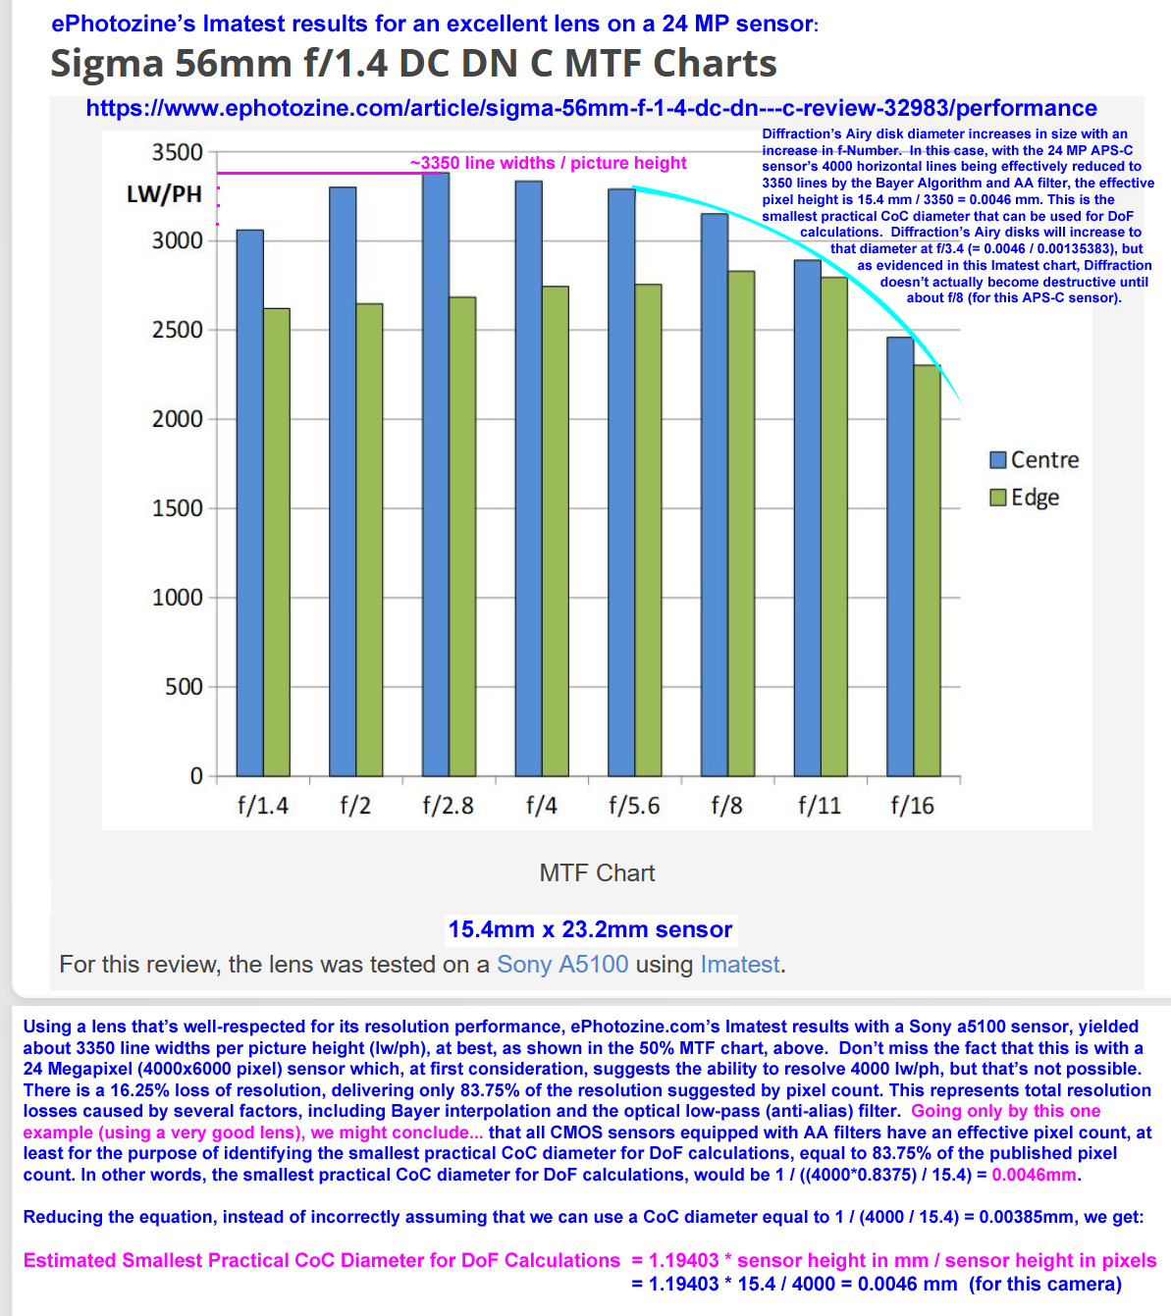

Example for a 24MP (6000 x 4000 pixel) sensor and a desired final image resolution of 250 dpi (5 lp/mm at 25cm): Maximum possible print width, in inches = 6000 pixels * 0.8375 / 250 dpi = 20.1 inches
Maximum possible print height, in inches = 4000 pixels * 0.8375 / 250 dpi = 13.4 inches Keep in mind that it’s advantageous to calculate DoF or Hyperfocal Distance with the intention of making a smaller print than is maximally possible, given your sensor’s pixel count. Just as with lowering your Desired Final Image Resolution, lowering your Enlargement Factor will allow you to shoot deeper subjects spaces, with greater DoF (closer Nears and farther Fars), at any given FL and f-Number. But, if you want to shoot every scene to support your largest possible print size, feel free to always shoot shallower subject spaces and/or use larger f-Numbers, thus suffering longer exposures and/or higher ISO settings, and/or increased vulnerability to diffraction, as a result of NOT wanting to shoot or calculate DoF, with the intention of making smaller prints than possible. Remember, not everyone wants the same size prints at the same final image resolution for the same viewing distances. To perform DoF and Hyperfocal Distance calculations, you should customize your Maximum Permissible CoC Diameter to fit your intentions. Now, that you’ve decided what size prints you will make, within the limit imposed by the available pixels and your desired final image resolution, you can calculate the Enlargement Factor that will be used to customize your Maximum Permissible CoC Diameter, as follows: Enlargement Factor = Final Image Dimension Width, in mm / Sensor Width, in mm Example for a 23.5 x 15.6 mm APS-C sensor, when making an un-resampled, uncropped 13x9-in. print (330 x 229mm): Enlargement Factor = 330 mm / 23.5 mm = 14.0 Note that this calculation can be easily performed on the Calculator tab of this workbook. ----------------------
But what if you are shooting with the intention of displaying your images on 4K monitors or flatscreen TVs, from a local drive or via a web page? Note that no one is going to gain any benefit from sitting closer than 90% of the screen diagonal, for a 4K monitor or flatscreen TV, as the intrinsic resolution of all 4K screens, independent of their screen diagonal, is 3840x2160. So, for this situation, you will either be cropping or re-sampling down to 3840x2160 (8.3 MP), but when resampling from a 6000-pixel width sensor, for example, down to a 3840-pixel width display, something wonderful happens: The artifacts and losses inherent to Bayer interpolation and an anti-alias filter are almost completely eliminated. (The same is true when at least a 24MP, full-frame sensor shoots 4K video, resampling down from the full width of the sensor, rather than capturing video frames from a smaller, cropped portion of the sensor, as some hybrid cameras do.)
Here's the tough part, the choice to display your images on 4K screens, means that somebody might actually sit at the correct distance (90% of screen diagonal) to perceive a resolution equivalent to 8 lp/mm at 25cm. In other words, your have to choose between satisfying those who sit only 24.3 inches from a 27-inch screen, for example – as is most likely with computer monitors - by “desiring” a final image resolution of 6.43 lp/mm (322 dpi) -OR- assuming that the majority of people are going to be viewing your work from distances farther than 90% of the screen diagonal (as is the case with the seating positions for most owners of 4K flatscreen TVs). For the sake of calculating an appropriate CoC diameter for DoF calculations, I recommend the worst case, being a 27-inch, 4K monitor, viewed at 24.3 inches (for a perceived resolution of 8 lp/mm at a viewing distance of 25cm, even though the intrinsic display resolution is only 6.43 lp/mm). Thus: Example for a 23.5 x 15.6 mm APS-C sensor, for display on a 27-inch 4K screen, having a width of 598 mm: Enlargement Factor = 598 mm / 23.5 mm = 25.5 Surprise! Publishing to the web, even at just 4K, is more challenging than most people think, when the goal is to make everything in the frame “acceptably sharp” from Near to Far (for your well-quantified expectations).
Last word on this topic: This entire Excel Workbook is designed for use by photographers of landscapes, architecture and similar genres, who want to ALWAYS produce final images that exhibit "acceptable sharpness" throughout, from Near to Far, with "acceptable sharpness" being well-defined by the photographer, not by a lens manufacturer or designer of a DoF app that emulates lens manufacturers' standard definition of "acceptable sharpness."

Viewing Distance
Minimum Anticipated Viewing Distance (The closest distance at which you want your final image to survive scrutiny, by someone with healthy or 20/20-corrected vision.) Users who share the same size sensor or film format do not all have the same expectation for Minimum Anticipated Viewing Distance, even if a few users randomly happen to share the exact same expectations for "acceptable sharpness" (Desired Final Image Resolution) and Maximum Anticipated Enlargement Factor. I hope everyone who reads this can agree. Your well-considered, Minimum Anticipated Viewing Distance is one of three almost universally ignored variables that have led so many photographers to no longer trust DoF calculations. There's nothing wrong with the DoF equation itself. Rather, it's a tragic case of "garbage in, garbage out." For a given shoot, you might have knowledge of where the final image will be displayed and whether or not an obstacle will prevent a person from viewing the print at a closer distance than you anticipate. Example: If you KNOW you will be hanging a large print on a wall behind a sofa, you can legitimately assume that no one can approach any closer than perhaps 50cm or 20 inches (without kneeling on the couch). But if, at the time of making the exposure, you do NOT know how this print will be displayed, you might choose (and it is your choice), to shoot for the worst case possibility of someone scrutinizing your final image at 25cm, the closest healthy or corrected human eyes can typically focus. Note that assuming larger viewing distances is a major component of the default CoC Diameters that manufacturers use to calculate the DoF scales engraved on manual-focus lens barrels, and sadly, that most DoF software follows, today, when they require users to select a camera make and model or sensor size. (Just as with engraved DoF scales - which have disappointed millions of photographers over the years, most of today's DoF and Hyperfocal Distance apps force the user to always use CoC Diameters of 0.02mm for APS-C, 0.03mm for fullframe, 0.05mm for digital MF, 0.06mm for 6x6cm film, etc.). This expects every photographer to ASSUME that every person who looks at an enlarged image to stand at proportionally greater distances as the image size increases. If that's your personal expectation, and you have no concern, whatsoever for the possibility that someone might want to appreciate details visible at closer viewing distances, perhaps viewing even your largest images as close as 25cm, that's fine! The point here is not to tell you what to do, but rather to equip you with the ability to control the outcome to suit YOUR expectations. This factor is just as critical for calculating a custom Maximum Permissible CoC diameter for DoF calculations, as is your Desired Final Image Resolution and your Maximum Anticipated Enlargement factor. When in doubt, in my opinion, you should consider "playing it safe" by anticipating a Minimum Viewing Distance as close as 25cm. Or you could give yourself some additional DoF, allowing you to shoot deeper subject spaces at the same f-Number, by assuming that no one will stand any closer than the diagonal of your anticipated print size. This assumption often leads to disappointment, however, in part because you might find yourself pixel-peeping at a greater Enlargement factor and a closer Viewing Distance than you specified for calculation of your custom Maximum Permissible CoC Diameter - only to lament that fact that original capture just cannot deliver the detail you wish it did. (Always evaluate DoF at the intended Enlargement Factor and Viewing Distance.) Last word on this topic: This entire Excel Workbook is designed for use by photographers of landscapes, architecture and similar genres, who want to ALWAYS produce final images that exhibit "acceptable sharpness" throughout, from Near to Far, with "acceptable sharpness" being well-defined by the photographer, not by a lens manufacturer or designer of a DoF app that emulates lens manufacturers' standard definition of "acceptable sharpness."

Focus at Infinity
Focusing at Infinity with Deep Subject Spaces (Discarding available DoF and forcing the use of longer exposures or the shooting of shallower subject spaces)
If you read Harold M. Merklinger's 87-page, Internet version PDF of his book, "The INs and OUTs of Focus," he openly admits, in several chapters, that focusing at Infinity can result in "fuzzy" foreground objects that are nevertheless, "recognizable." Study his "Rules" in Chapter 3, before jumping to the conclusion that there are no undesirable consequences to focusing at Infinity. http://www.trenholm.org/hmmerk/TIAOOFe.pdf
There's only one thing worse than relying on this "method": TEACHING PEOPLE TO RELY ON IT.
Focusing at Infinity is certainly convenient, but when framing deep subject spaces, it places your Near Limit at the Hyperfocal Distance for that f-Number. Uggh!
In order to extend your DoF to include framed objects that reside between 1/2 the Hyperfocal Distance and the Hyperfocal Distance, you will have to stop down two stops, using a smaller aperture (and thus, a longer exposure). Ouch!
Feel free do to it - if you want the convenience of focusing at Infinity and are both aware and willing to stop down for exposures that are twice as long and/or ISO settings that are twice as high for the available light. That's too costly, in my opinion.
Consider these annotated screenshots, below, from top to bottom - demonstrating the unavoidable cost of focusing at Infinity, when framing deep subject spaces.
They were taken from Don Fleming's online DoFMaster calculator at: https://dofmaster.com/dofjs.html

Why do supporters of this method insist on using this method? No thinking is required to focus at Infinity and some of them have misinterpreted the writings of Harold M.
Merklinger, or worse, someone taught them to take this self-defeating shortcut, without mentioning that it throws away two stops worth of available DoF and/or forces
use of 2x longer exposures, if you're not willing to shoot shallower subject spaces. There are no free rides in photography. Every action has consequences.

The following image simulates foreground softness when the lens is focused at Infinity.

Why a simulation, instead of a "real" example? By now, readers of this Excel Workbook should understand that no one has any control over the enlargement factors and
viewing distances that will be imposed by various people looking at a digital image on their devices.
Hint: If the screen is small enough and/or the viewing distance is great enough, this image will look "sharp" throughout.

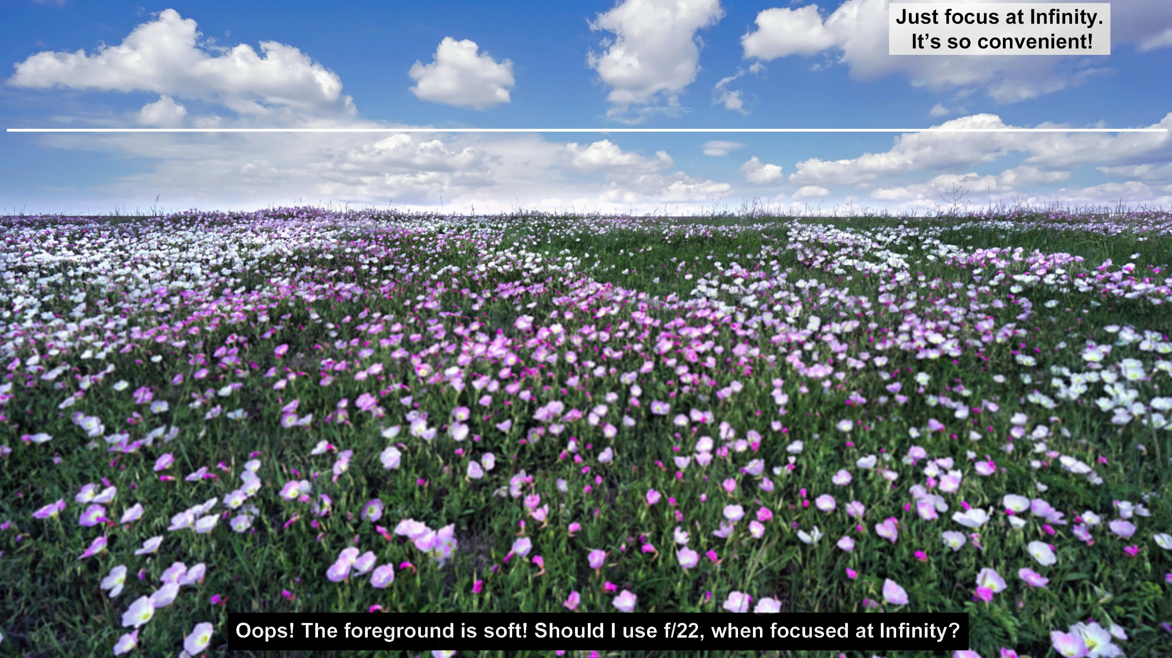

The following is a resized original image (from which the above simulation was created). Taken with a Venus Optics Laowa 9mm f/2.8 on a Sony a6000, it was critically focused, having used a laser distance
measure for accurate measurements of both the Near distance and the subsequently calculated Hyperfocal Distance. (ISO 100, f/7.1, 1/400s, no filters, edited in Photoshop Elements 12)
Hint: If the screen is large enough and/or the viewing distance is close enough, this image will NOT look "sharp."

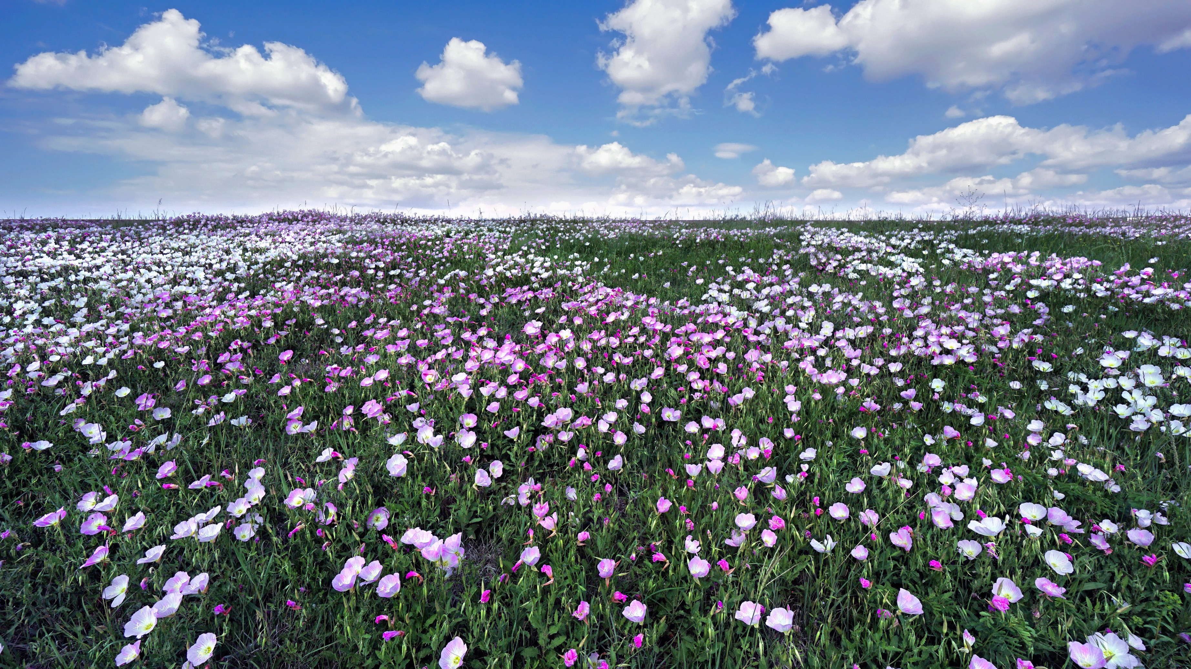

Note: It's a myth that ultra-wide lenses are easy to focus. That's true when pursuing only some fraction of their available DoF. Think about how easy it is to focus a long lens and ask yourself, "Why?"
When attempting to extract every last bit of available DoF from an ultra-wide lens, focus peaking is of no use, even if a carefully calculated Focus Distance is known. To my knowledge, the most accurate
solution is had using a laser distance measure to identify a target on which to focus, that resides at the calculated distance, then use back-button autofocus, applied with the smallest possible focus area.

Focus at One Third
Focusing at One Third of Way into the Scene - Where is that, exactly?
(Rolling the dice with every exposure, to avoid having to think, while ensuring a high rate of disappointment that could be avoided altogether.)

Many landscape guessography experts recommend focusing 1/3rd of the way into the scene. Sigh… Imagine standing on wet beach sand, with waves coming ashore, beneath a beautiful sunset. LOL

Critical thinkers will ask: "Are you saying we should just focus 1/3rd of the way up from the bottom of the frame, or 1/3rd of the distance to Infinity? Either way, how far is that?"

In my opinion, there's only one thing worse than relying on this "method": TEACHING PEOPLE TO RELY ON IT.
Why do supporters of this method insist on guessing where to focus? (Less thinking is required, and yet, some amount of time must be spent guessing exactly where to focus!)

The following image simulates foreground and background softness when the lens is focused at 1/3rd of the way from the bottom of the frame to the top, with an unspecified FL and aperture.
It's not difficult to imagine many compositions where 1/3rd of the way up from the bottom of the frame will intersect an object that's literally at the Near distance or very close to the Near distance,
as in my example, below - and focusing 1/3rd of the way to Infinity is too ambiguous to be of any use at all.

Why a simulation, instead of a "real" example? By now, readers of this Excel Workbook should understand that no one has any control over the enlargement factors and viewing distances that
will be imposed by various people looking at a digital image on their devices.
Hint: If the screen is small enough and/or the viewing distance is great enough, this image will look "sharp" throughout.

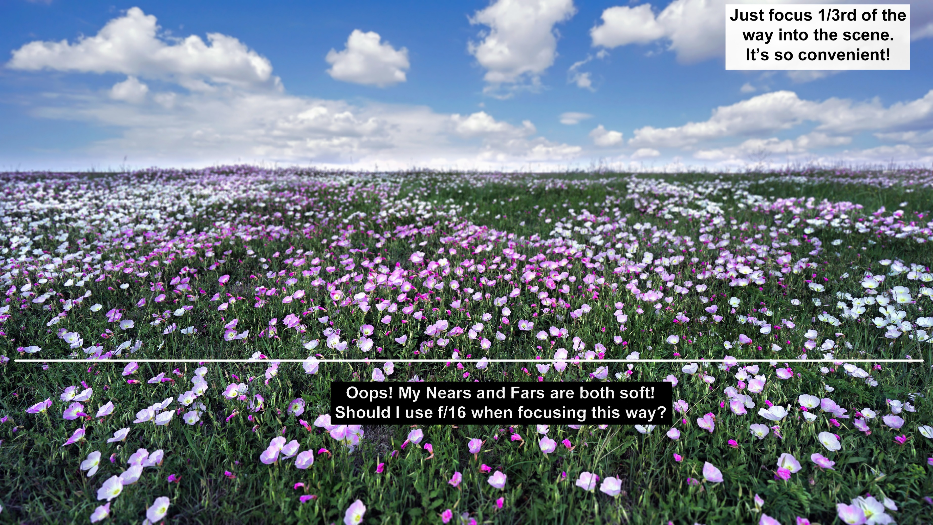

The following is a resized original image (from which the above simulation was created). Taken with a Venus Optics Laowa 9mm f/2.8 on a Sony a6000, it was critically focused, having used a laser distance
measure for accurate measurements of both the Near distance and the subsequently calculated Hyperfocal Distance. (ISO 100, f/7.1, 1/400s, no filters, edited in Photoshop Elements 12)
Hint: If the screen is large enough and/or the viewing distance is close enough, this image will NOT look "sharp."

Note: It's a myth that ultra-wide lenses are easy to focus. That's true when pursuing only some fraction of their available DoF. Think about how easy it is to focus a long lens and ask yourself, "Why?"
When attempting to extract every last bit of available DoF from an ultra-wide lens, focus peaking is of no use, even if a carefully calculated Focus Distance is known. To my knowledge, the most accurate
solution is had using a laser distance measure to identify a target on which to focus, that resides at the calculated distance, then use back-button autofocus, applied with the smallest possible focus area.

Focus at 2x Hyper
Focusing at TWICE the calculated Hyperfocal Distance
(Replacing one irrelevant CoC Diameter with a smaller but still irrelevant CoC diameter, unknown to the users of this method, and both yielding a high probability of disappointment, except to a random few.)

Any landscape guessograhy expert who recommends focusing at TWICE the calculated Hyperfocal Distance, does not UNDERSTAND that they are trying to shrink the CoC diameter, reducing their DoF,
to support a higher final image resolution, when all they have to do is find a DoF or Hyperfocal Distance Calculator that will allow direct entry of a smaller CoC than the one that's used by default, based
solely on sensor size, as seen in most DoF apps. Focusing where indicated by a properly SCALED DoF or Hyperfocal Distance calculation, will deliver your Desired Final Image Resolution, throughout the
frame, if you measure ACCURATELY.

In my opinion, there's only one thing worse than relying on this "method": TEACHING PEOPLE TO RELY ON IT.
Why do supporters of this method insist on doing DoF calculations only to focus at TWICE the indicated distance? (It's not a matter of being lazy - they just haven't done their homework. Note that if
they also practice simply estimating where TWICE the calculated Hyperfocal Distance resides - that's likely more a case of laziness, but to be fair, might also be simple ignorance. Yet they teach this! )

The following image simulates foreground and background softness when the lens is focused at TWICE the calculated Hyperfocal Distance, without re-composing the scene to place the Nearest subject in
the frame at the calculated Hyperfocal Distance, before focusing at TWICE the calculated Hyperfocal Distance. (So much effort, actually performing DoF calculations, only to exhibit no understanding of
our freedom to SCALE the DoF calculations by replacing the default CoC diameter with a carefully calculated CoC Diameter that will support a photographer's unique expectations.)

Why a simulation, instead of a "real" example? By now, readers of this Excel Workbook should understand that no one has any control over the enlargement factors and viewing distances that
will be imposed by various people looking at a digital image on their devices.
Hint: If the screen is small enough and/or the viewing distance is great enough, this image will look "sharp" throughout.

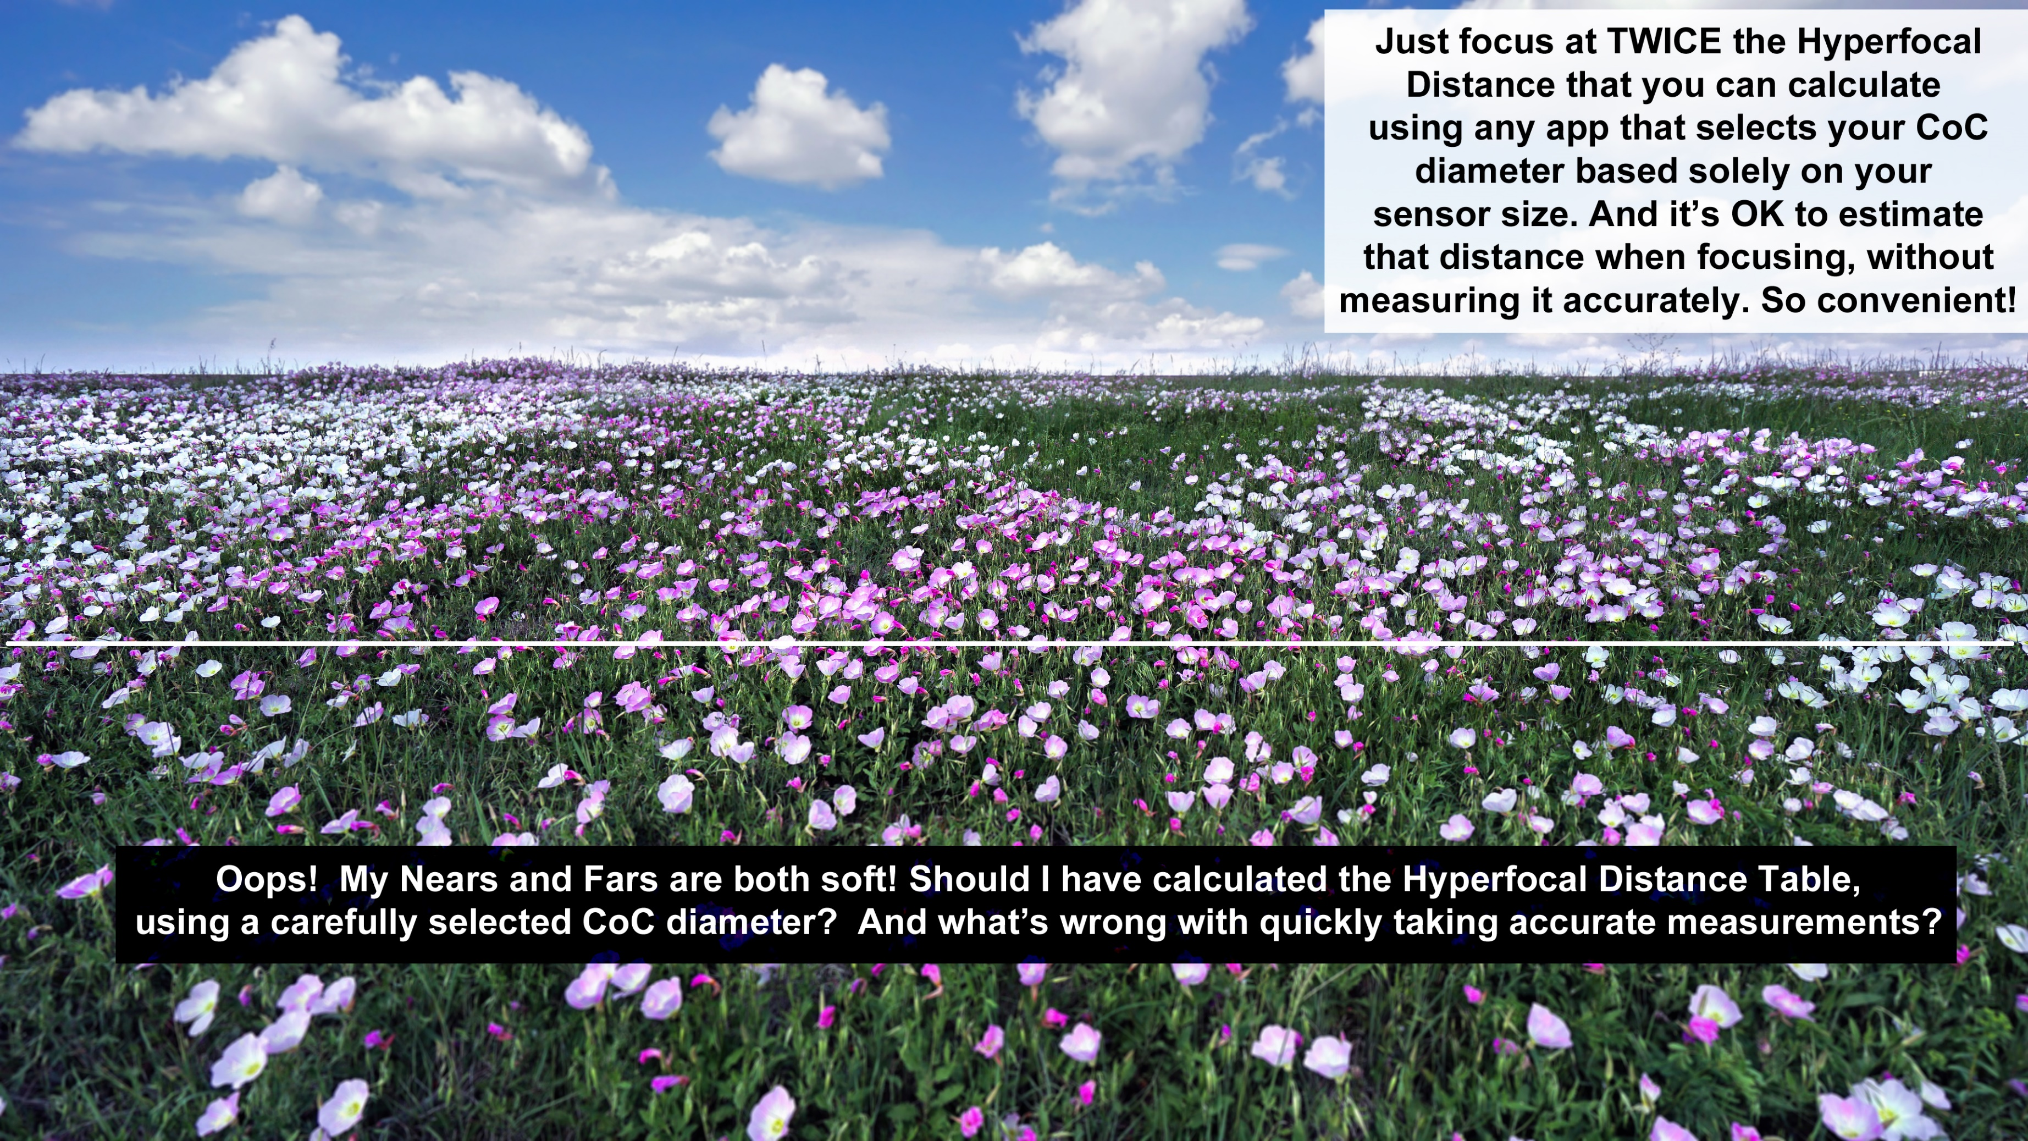

The following is a resized original image (from which the above simulation was created). Taken with a Venus Optics Laowa 9mm f/2.8 on a Sony a6000, it was critically focused, having used a laser distance
measure for accurate measurements of both the Near distance and the subsequently calculated Hyperfocal Distance. (ISO 100, f/7.1, 1/400s, no filters, edited in Photoshop Elements 12)
Hint: If the screen is large enough and/or the viewing distance is close enough, this image will NOT look "sharp."

Note: It's a myth that ultra-wide lenses are easy to focus. That's true when pursuing only some fraction of their available DoF. Think about how easy it is to focus a long lens and ask yourself, "Why?"
When attempting to extract every last bit of available DoF from an ultra-wide lens, focus peaking is of no use, even if a carefully calculated Focus Distance is known. To my knowledge, the most accurate
solution is had using a laser distance measure to identify a target on which to focus, that resides at the calculated distance, then use back-button autofocus, applied with the smallest possible focus area.

Focus on Subject
Focusing on the Subject of Greatest Interest
(Even when the stated goal is to get everything in the framed composition, "acceptably sharp.")

No explanation is needed here, but it's hard to believe this advice can be found in videos about getting "everything sharp" when shooting landscapes! Such guessperts don't even call it "selective focus."
Instead, despite video thumbnails claiming the video will teach you how to make everything "tack sharp," for example, the proponents of this "method" will make lame excuses about how it's "OK" if
some portions of the frame are not as visibly sharp as others, or even suggesting that this is how we naturally see everything, anyway - as if our eyes do not re-focus, as needed, when looking at objects
at various distances!

In my opinion, there's only one thing worse than relying on this "method": TEACHING PEOPLE TO RELY ON IT.
Why do supporters of this method insist on simply "copping out" this way, effectively doing "selective focus" with a small aperture? It has to be the result of total confusion, an inability to think critically,
or perhaps even illiteracy. I really don't know. Yet they teach this! )

The following image simulates foreground and background softness when the lens is focused at a selected "subject of greatest interest," even when the stated goal is to make "everything sharp."

Why a simulation, instead of a "real" example? By now, readers of this Excel Workbook should understand that no one has any control over the enlargement factors and viewing distances that
will be imposed by various people looking at a digital image on their devices.
Hint: If the screen is small enough and/or the viewing distance is great enough, this image will look "sharp" throughout.

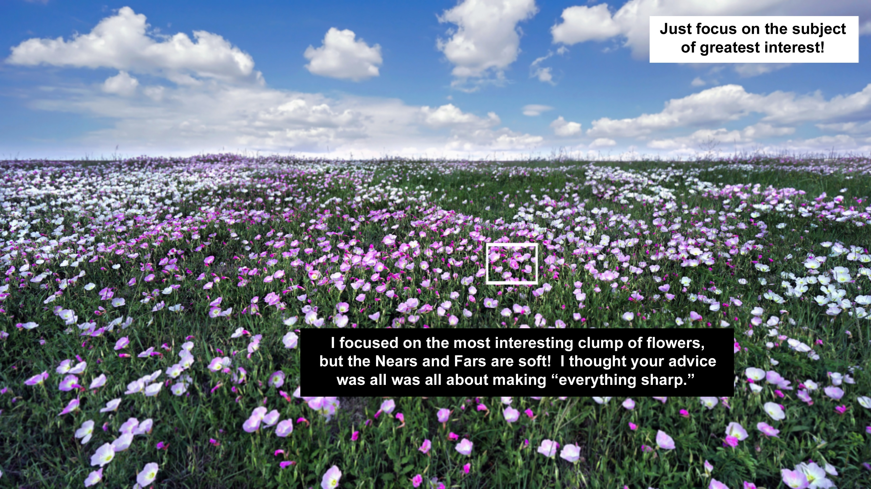

The following is a resized original image (from which the above simulation was created). Taken with a Venus Optics Laowa 9mm f/2.8 on a Sony a6000, it was critically focused, having used a laser distance
measure for accurate measurements of both the Near distance and the subsequently calculated Hyperfocal Distance. (ISO 100, f/7.1, 1/400s, no filters, edited in Photoshop Elements 12)
Hint: If the screen is large enough and/or the viewing distance is close enough, this image will NOT look "sharp."



Note: It's a myth that ultra-wide lenses are easy to focus. That's true when pursuing only some fraction of their available DoF. Think about how easy it is to focus a long lens and ask yourself, "Why?"
When attempting to extract every last bit of available DoF from an ultra-wide lens, focus peaking is of no use, even if a carefully calculated Focus Distance is known. To my knowledge, the most accurate
solution is had using a laser distance measure to identify a target on which to focus, that resides at the calculated distance, then use back-button autofocus, applied with the smallest possible focus area.

Zeiss on DoF
A Zeiss-endorsed "guesspert" has done his best to perpetuate universal disappointment in DoF scales and calculations.

 | Quoting Björn Thiele, from his article published at the following Zeiss link: |  |  | https://lenspire.zeiss.com/photo/en/article/depth-of-field-and-manual-focusing/

I've seen this article referenced several times in photography forums - made credible, in part, by the ZEISS logo, and copyrighted by ZEISS Group, for whom we all have a great deal of respect, as a rule.

My inserts and annotations, below, are in green or red text. You might want to read the un-annotated article, first, at the link provided above, before suffering my analysis. It's entertaining. LOL

2. Do not Trust Excessively [Im]precise Numbers [that are irrelevant to your anticipated enlargement factor, viewing distance, and expectation of "acceptable sharpness."]

Watch out! When measuring depth of field figures with centimeter accuracy [when those figures were calculated using an irrelevant Maximum Permissible CoC Diameter], both dof tables and calculating
apps [will inaccurately] suggest that the depth of field expands precisely from distance A to distance B and that all parts of the scene which are closer or farther than that will be out of focus in the final
image. Unfortunately, it is not quite that easy [, so we will now attempt to explain why there's a good chance you will be disappointed by adhering to the DoF scales engraved on Zeiss lenses].

The overriding assumption that exactly 1/1500 of image diagonal [of the sensor diagonal] is a [maximum] acceptable diameter for a circle of confusion is good for many [randomly, just a few] situations,
but not for images which you would like to display in large and high quality formats [where "high quality" can be quantitatively defined by the photographer as a Desired Final Image Resolution,
expressed as lp/mm for a 25cm viewing distance. That same assumption (where the CoC Diameter is set equal to the sensor diagonal/1500), is not good for images where you intend to make prints that
are smaller than assumed - a situation in which you could satisfy your Desired Final Image Resolution, while using wider apertures, thus faster shutter speeds, to obtain sufficient DoF. Valuable, yes!

When viewing conditions are more demanding [as with a greater than assumed enlargement factor, or with a less than assumed viewing distance, or with a higher than assumed expectation for
"acceptable sharpness" at the Near and Far extremes of the framed composition] depth of field is significantly smaller and when shooting images for such demanding conditions you should stop down
further than indicated by the tables or lens scales [that were designed, even for modern, manual-focusing lenses made by Zeiss, with the assumption that the Maximum Permissible CoC Diameter used
in DoF or Hyperfocal Distance calculations should always be set to the FIXED ratio of sensor or film format / 1500.]

[Zeiss has done what many other manufacturers have done with engraved DoF scales on manual-focusing lenses, but this article FAILS to explain exactly how a user can consistently eliminate
disappointing results, by using a simple equation that is "as old as the hills." This article makes no mention of your option to calculate a customized Maximum Permissible CoC Diameter, for use in your
choice of DoF apps that allow direct entry of a value for CoC Diameter, instead of relying solely on the irrelevant sensor diagonal as a flawed predictor of your intended enlargement factor and
viewing distance, with complete disregard for your personally Desired Final Image Resolution. If the author himself actually knows what's needed, he must be assuming that his readers are incapable
of comprehending what has been documented for many years, in several books on photographic technique, as well as in the Wikipedia article titled, "Circle of Confusion," which includes a simple,
arithmetic equation for calculating a Maximum Permissible CoC Diameter that takes into account the photographer's anticipated enlargement factor and viewing distance, as well as the photographer's
Desired Final Image Resolution (a variable that allows the photographer to define "acceptable sharpness.") This ancient but reliable equation is provided, below. Keep reading…

Instead, what follows, is the author's various recommendations for abandoning the use of DoF apps and arithmetic, altogether, by performing several time-consuming, trial-and-error tests, to
empirically discover what could easily be determined with a four-function calculator. In my opinion, this is either pathetically ignorant (?) or disdainfully condescending (as if no reader can use a
a calculator). Why not teach readers how to customize their CoC Diameter, to then make use of DoF apps that allow direct entry of a CoC value, testing to confirm results after the fact?]


3. Individual Bracketing Shots

Despite their limited accuracy [when calculated using an irrelevant Maximum Permissible CoC Diameter], both scales and dof calculators are useful tools, because some kind of base for calculating depth
of field is required. [Some kind of base? Fine, but can't we calculate DoF with RELEVANT precision, instead of using a DoF scale that's based on an IRRELEVANT CoC diameter (except for a random
minority of photographers who serendipitously fit the "standard" assumption.] My recommendation is to make some test shots of scenes that feature a certain dimension of depth. [Tests? That sounds
inconvenient, time-consuming and error-prone. And what exactly is meant by, "a certain dimension of depth?"] First find the distances of the closest and the farthest subject elements which you want
to be in-focus in your image. [How should we go about, finding these distances? Does accuracy matter?] Stop down to the aperture value that, according to [the irrelevant, seemingly carved-in-stone]
scale or DoF table, stretches depth of field far enough to include both distances. [Still he has not stated how accurate we must be in determining those distances that will be supplied to an
irrelevantly-scaled DoF tool.] Now repeat the same shot, but with gradually smaller apertures (higher f-stop numbers). [With no concern for when diffraction might soften the entire image, as seen at
our intended enlargement factor and viewing distance?] Later, [having put the cart before the horse, by starting with "some kind of base for calculating DoF," scaled to "some kind" of CoC diameter,
instead of first calculating DoF using a carefully customized value for the CoC diameter,] you will assess the sharpness in these images according to what you use these kind of images for – prints in a
certain scale, a slide show on a computer screen or large-scale photo posters. [More succinctly, "Acutance and Resolution (two different things) should always be assessed at your intended
enlargement factor and viewing distance."] This way you can determine, whether you need to expand depth of field wider than the [irrelevant and nearly always disappointing] defined standard
[of sensor size / 1500], and if so, by how many stops. [That would be very tedious, yet still prone to disappointing field results, born of sloppy testing, thus inaccurate conclusions. Zzzzzzzzzzzzz….]

[We're being told to continue using DoF scales, tables or apps, that are based on the "standard" CoC diameter (sensor size / 1500), but each of us must figure out, via rigorous iterative testing, how
many stops, we independently feel are needed to compensate the carved-in-stone inaccuracy of the "standard" CoC diameter! Zeiss appears to be content with the author's labor-intensive,
error-prone recommendation, so it's as if Zeiss believes it is utterly impossible to abandon use of that irrelevant CoC diameter, when calculating DoF or Hyperfocal Distance Tables. Why is it that
ridiculously few "experts" acknowledge the possibility of replacing the "standard" CoC diameter, with an easily calculated CoC diameter that actually suits an individual's anticipated enlargement
factor and viewing distance, as well as the individual's personal expectation for "acceptable sharpness?" We do not have to handicap ourselves by using a "standard," sensor-based CoC diameter for
DoF calculations, as is ubiquitously deployed in so many DoF apps, that have no excuse for such inflexibility, as is suffered when a lens manufacturer engraves a DoF scale on a lens barrel.

We can rely on the equation provided in the Wikipedia article titled, “Circle of Confusion,” as found at: |  |  |  |  | https://en.wikipedia.org/wiki/Circle_of_confusion :

 | [Quoting the article (For clarity, I have enhanced the wording and punctuation used in the equation, without modifying the arithmetic.):]
 |  | ---
 |  | The common values for CoC limit may not be applicable if reproduction or viewing conditions differ significantly from those assumed in determining those values. If the original image will be given greater
 |  | enlargement, or viewed at a closer distance, then a smaller CoC will be required. All three factors above are accommodated with this formula:

 |  | Maximum Permissible CoC Diameter (in mm) = (viewing distance, in cm / 25 cm ) / desired final-image resolution, in lp/mm for a 25 cm viewing distance / enlargement factor / 2 lines per line pair
 |  | ---
ALWAYS use a DoF Calculator that allows YOU to specify a well-considered, properly calculated, customized CoC Diameter, instead of selecting your camera make and model or the sensor size/film format.


"PhotoPills" comes close but FAILS. See the "PhotoPills" tab, below. Try "DoFMaster", a free Windows app that can be used to create a lightweight, spinning disk DoF calculator for each FL.]
 |  |  | https://www.dofmaster.com

4. Consider Viewing Conditions

The moment you take a photo, you should think what you intend to do with it. Is it meant to suffice for the requirements of an online album or as a large-scale print? You may need to stop down further
to achieve the depth of field required for the actual usage. [So, the author, and apparently, Zeiss, expects us to continue relying on DoF calculated with the "standard" CoC diameter (based on
sensor size/1500), forever having to perform in-the-field, seat-of-the-pants guesswork, to compensate its inherently irrelevant assumptions. But at least he is bringing to our attention one of the three
factors other than FL, which affect a perceived final image resolution. Still, no attempt is made to QUANTIFY the impact of any given viewing distance, on perceived final image resolution. Just GUESS!]

5. No Pixel Peeping

It is virtually never constructive to assess depth of field at 100% view on a screen. [Thank you for bringing this to the readers' attention!] Even if you do print your image in a size that will make each
pixel contribute to it individually, a viewer will step back from a photo this large, in order to be able to overview it. This way of viewing a photo [stepping back] is relevant when it comes to visually
assessing depth of field, even though certain details will blur at a closer view. ["Relevant?" Hahaha!]

[He is making two assumptions here, both of which can lead to disappointing results: first, that everyone will always step back from a large print, and second, that no photographer would ever want
to ensure that their largest prints can survive scrutiny at viewing distances as close as 25cm (9.84 inches) - the closest distance at which humans with healthy or corrected to 20/20 vision can focus.]
By publishing this article, Zeiss has us going out into the field with an irrelevant CoC diameter, that ignores the factors this author acknowledges, while providing only an impractical solution: to
perform imprecise trial and error testing to determine how many stops we think will compensate that "standard" CoC's inherent inaccuracy - eternally guessing, as we shoot every scene.]

6. Avoid Depth of Field Overkill

Avoid stopping down further than is actually required to achieve the desired depth of field. Too much depth of field will reduce the overall image quality, as smaller apertures mean more diffraction,
thereby making the whole photo softer. [Again, thank you for bringing this to the reader's attention! But he hasn't told us how to determine the f-Number at which diffraction will begin to inhibit a
desired final image resolution, for an anticipated enlargement factor and viewing distance! Once again, we're given no practical way to quantify/control a factor that affects the final image resolution.]

 | [As discussed at the highly regarded PDF titled, Lens Tutorial, by David Jacobson, which can be easily confirmed, empirically: |  |  |  |  | https://www.largeformatphotography.info/archives/JacobsonLensTutorial.pdf

 |  | The f-Number at which Diffraction will begin to visibly inhibit a Desired Final Image Resolution for a properly calculated Maximum Permissible CoC Diameter = Max. CoC / 0.00135383

 | Once you’ve calculated your customized CoC Diameter, you can now calculate the f-Number at which diffraction will begin to visibly inhibit your Desired Final Image Resolution.]

7. Aperture Bracketing

When you are not certain about your DoF setting in the field, [due to the use of an irrelevant Maximum Permissible CoC diameter for DoF calculations] and when your subject type allows for it (such as
architecture), use aperture bracketing. If you are unsure, take two or three shots of your subject with different aperture settings. This way you have the option to later select the photo with the ideal
depth of field for the actual usage. [Wait… Didn't he tell us in paragraph 3, above, to perform controlled testing, in advance, bracketing aperture without changing focus, as a no-arithmetic-required
method of determining how to compensate, thereafter and forever more, the inaccuracy of clinging to DoF calculations made with the "standard" CoC diameter (based solely on sensor size)? Now,
this article published by Zeiss is telling us to bracket our apertures, "when we are not certain about our DoF setting" or "if we are unsure." How about if we bracket our focus distance, too, since even
he is not sure how to achieve a desired final image resolution - even though he (and Zeiss?) are obviously aware of the variables that must be taken into account?]

Zeiss has indirectly informed the reader that Enlargement Factor and Viewing Distance affect the perceived final image resolution - and have also made it clear that each photographer must decide for
themselves how much detail is desired at the Near and Far distances of a framed composition. So why have they made NO ATTEMPT to assist the reader in quantifying the only three variables
other than Focal Length that affect the perception of "acceptable sharpness" in a final image? Does Zeiss not understand that it would be far more practical to calculate DoF using a customized
Maximum Permissible CoC Diameter, taking these factors into account, then using that customized CoC diameter as input to smartly designed DoF apps which permit user-specification of a custom
CoC Diameter, instead of relying on an irrelevant ratio of sensor size/1500, that can only randomly satisfy a minority of photographers? Zeiss obviously understands that not everyone equipped with a
given sensor routinely makes the same size prints as everyone else, for viewing at the exact same distance as everyone else, and with the exact same expectation of "acceptable sharpness" (the exact
same Desired Final Image Resolution)? Does Zeiss believe the average reader of their article is incapable of using a four-function calculator, just once, to customize the CoC Diameter they need, when
calculating DoF for their personally intended Enlargement Factor and Viewing distance, as well as a personally defined expectation for Final Image Resolution?

See the "Calculator" tab, below, if you haven't already explored the solution presented there.

CoC = Pixel Pitch
Don't use a CoC diameter for DoF calculations that's based on the pixel pitch of your sensor. You might hurt yourself.

Quoting Marc Levoy's often-referenced "Depth of Field" page at: |  | https://sites.google.com/site/marclevoylectures/applets/depth-of-field#h.32wxaehmuu35

 | Circle of confusion, depth of focus, and depth of field

 | When you move the sensor in a digital camera relative to the lens, the plane in object space that is sharply focused moves as well. How far can you move the sensor before a sharply focused feature goes out of focus? To answer
 | this question, we must first define what we mean by "out of focus". The standard definition is that the width of the blurred image of the feature has become larger on the sensor than some maximum allowable circle of confusion. The size of this
 | circle is arbitrary, but a reasonable choice is to make it equal in diameter to the width of a pixel.



Many people would agree with Marc Levoy, in using a Maximum Permissible CoC Diameter for DoF calculations that's equal to: sensor width, in mm / sensor width, in pixels. I do not agree!

This approach is overkill, forcing the use of smaller apertures, and thus, longer exposures than necessary, given that it ignores the very real loss of resolution imposed by the Bayer Algorithm deployed
in most CMOS sensors, as well as the resolution lost to an anti-aliasing filter's, if present. It also makes the ridiculous assumption that you will be making prints every bit as large as your pixel count can
support, for any given Desired Final Image Resolution and Minimum Anticipated Viewing Distance. Does anyone really want to run around shooting only those subject spaces that are shallow enough
record what will likely be much smaller CoCs than necessary? Or perhaps someone likes the idea of shooting with smaller than necessary apertures, guaranteeing long exposures and risking diffraction?

I've concluded, based on the f-Numbers at which resolution begins to decline due to diffraction - as documented in Imatest results for many of the highest resolving lenses, across various sensors, that
all CMOS sensors equipped with AA filters have an effective pixel count, for the purpose of identifying the smallest practical CoC diameter for DoF calculations, no better than 83.75% of the published
counts. So, if Marc Levoy's DoF calculation suggests f/16 is necessary for a given sensor's pixel pitch, in truth, there's no reason to stop down any further than f/13.4. It could be even less than that, as
83.75% is a conservative estimate for loss of resolution with CMOS sensors. (Some "experts" say that the Bayer Algorithm and an AA filter can leave us with only 70% of pixel count resolution.)

See the "Enlargement Factor" tab, below.

Bypass
You've stumbled onto the Bypass-the-Math page, for those who can't stand looking at the Calculator page.
(Instructions for accurately finding the Hyperfocal Distance for Zone Focusing any Wide or Ultra-Wide lens, requiring a laser distance measure and some testing.)

If you want to accurately perform Zone Focusing with a Wide or Ultra-Wide (prime or zoom), as discussed on the Zone Focusing tab, below, but without having to "deal with" using the Calculator or Simple Calculator tabs to calculate a Maximum Permissible CoC Diameter (for use in any DoF calculator that permits direct entry of a custom CoC) or to calculate an Inverted Hyperfocal Distance Table, with the understanding that THIS no-math approach could have you using smaller apertures (with correspondingly slower shutter speeds or higher ISO settings - forfeiting the advantages of using the equations)... If all of that is TRUE... Here is an alternate method for accurately, but still somewhat tediously, discovering a "good" (but possibly "ideal") Hyperfocal Distance on either a manual focus lens that is equipped with a distance scale, or on an auto-focusing lens that lacks a trustworthy or finely graduated distance scale, for the purpose of Zone Focusing with an aperture that I can only recommend somewhat blindly, based on your camera's sensor size. I do not recommend Zone Focusing with lenses longer than:
17mm for 4/3 sensors
23mm for APS-C sensors 35mm for fullframe sensors
50mm for MF sensors Step 1) Select the f-Number recommended for you sensor size, to be used for preparatory testing and all subsequent zone focus shooting: These f-Numbers offer the greatest DoF, without risk of visible diffraction at a guestimated Enlargement Factor and Viewing Distance, making a lot of assumptions not made with the Calculator and Simple Calculator tabs). With a 4/3 sensor, use f/5.6.
With an APS-C sensor, use f/8. With a fullframe sensor, use f/11. With a MF sensor, use f/16.
Step 2) Find a contrasty subject that's located at Infinity - ideally a backlit ridge or tree line on a clear day, with the worst case being front-lit on a hazy day.
You will later be evaluating the "sharpness" of your chosen Infinity subject at your intended enlargement factor and viewing distance.
Step 3) With the camera on a tripod, use a laser distance measure to measure the distance to the Nearest subject in the frame. Do this for a composition where there's something like a flat lawn in the foreground, such that the nearest subject intersects the bottom of the framed composition.
Step 4) Use Back Button Auto-Focus (or manual focus - good luck with that) to carefully focus on a subject that resides at TWICE the measured Near distance.
You will have to again use the laser distance measure to locate that subject on which to focus.
Note that now, your camera might or might not be focused at the correct Hyperfocal Distance for your FL and Aperture. Keep going...
Step 5) Take a shot, then evaluate the sharpness at Infinity - at the highest magnification permitted in your EVF (using the Enlarge feature). Note that now, your camera might or might not be focused at the correct Hyperfocal Distance for your FL and Aperture, so keep going...
5a) If the Infinity subjects do not appear to be "acceptably sharp" at the highest magnification in your EVF...
With a manual focus lens, nudge the focus ring closer to Infinity, then REPEAT this Step.
With Back Button Auto-Focus, focus at a point in the subject space that just a little bit farther from the camera, then REPEAT this Step. 5b) If the Infinity subjects do appear to be "acceptably sharp" at the highest magnification in your EVF...
Repeat Step 5a - just to see if you can't make it a little bit sharper. This is an iterative, trial-and-error process (but no equations are required). Once you think you have "arrived," keep going to see if you can get the Infinity subjects any sharper. If not, back up and check again.
Note: If you go too far in an impatient, impulsive leap of frustration, you might overshoot the ideal position.
5c) If, after making at least a couple of "tweaks" to your focus distance, you are content with the sharpness of Infinity subjects, in the EVF...
Proceed to Step 6. Step 6) Record the focus distance at which Infinity subjects are "acceptable sharp," a the highest magnification in your EVF. This is your Hyperfocal Distance for this lens, at the f-Number recorded in Step 1.
For manual focus lenses, I recommend using a smartphone to take a close-up picture of the lens' focus index, relative to the distance scale (for future reference).
For auto-focus lenses, use the laser distance measure to confirm AND RECORD (on paper?) the distance from the sensor plane of your camera to the subject at which
you had most recently used the Back Button Auto-Focus.
Step 7 - Leaving the tripod where it is, remove the SD card from the camera, so that you can examine your best test shot (with the sharpest Infinity subject), uncropped, on a 4K monitor or flatscreen TV, from a viewing distance equal to 90% of the screen diagonal. View the entire image, fullscreen. If you are still content with the sharpness of Infinity subjects, you are DONE. Otherwise, go back to the tripod and Step 5, returning to the 4K monitor or flatscreen TV for all subsequent examinations, instead of relying on the camera's EVF. With that lens, you can set the focus at the distance you RECORDED in Step 6, using the f-Number that you selected in Step 1, shooting any and all subject spaces, with only one concern - never framing a composition where the Nearest subjects are any closer than ONE HALF your recorded Hyperfocal Distance (for that lens, at that f-Number).
For more info, see the Zone Focusing tab, below.

 | Bosch GLM 165-40

 | Available at several retailers.

Nested IF Construct
I crafted the following 31-level nested IF construct, to calculate each of the f-Numbers displayed in the Inverted Hyperfocal Distance Table.
What does this accomplish? All calculated f-Numbers are rounded up to the nearest 1/3rd stop (easily recognized values for those with cameras that display 1/3-stop increments in the viewfinder), only when the calculated value is equal to or greater than 1/6th stop above the "whole" 1/3rd stop beneath it. Otherwise, the lesser 1/3-stop value is displayed (rounding down, when the calculated value is less than 1/6th stop above the lesser value). It also displays "D" for any calculated f-Number that is more than one stop greater than the f-Number at which Diffraction would begin to inhibit the user's specified Desired Final Image Resolution, at their Anticipated Enlargement Factor and Minimum Anticipated Viewing Distance. This allows the user to venture as far as one stop into "Diffractionville," while not displaying f-Numbers that would cause even worse visible diffraction (as established by the user's well-quantified requirements). This example is from the top-left cell of the table, which was then copied to all the other cells in the table: =IF(((10000-$C276)/$C276/10000/2*(G$275^2/$U$272)/304.8)>(1.4142*$D$245),"D",IF(((10000-$C276)/$C276/10000/2*(G$275^2/$U$272)/304.8)>(28.5*1.061231),"32.0",IF(((10000-$C276)/$C276/10000/2*(G$275^2/$U$272)/304.8)>(25.4*1.061231),"28.5",IF(((10000-$C276)/$C276/10000/2*(G$275^2/$U$272)/304.8)>(22.6*1.061231),"25.4",IF(((10000-$C276)/$C276/10000/2*(G$275^2/$U$272)/304.8)>(20.2*1.061231),"22.6",IF(((10000-$C276)/$C276/10000/2*(G$275^2/$U$272)/304.8)>(18*1.061231),"20.2",IF(((10000-$C276)/$C276/10000/2*(G$275^2/$U$272)/304.8)>(16*1.061231),"18.0",IF(((10000-$C276)/$C276/10000/2*(G$275^2/$U$272)/304.8)>(14.3*1.061231),"16.0",IF(((10000-$C276)/$C276/10000/2*(G$275^2/$U$272)/304.8)>(12.7*1.061231),"14.3",IF(((10000-$C276)/$C276/10000/2*(G$275^2/$U$272)/304.8)>(11.3*1.061231),"12.7",IF(((10000-$C276)/$C276/10000/2*(G$275^2/$U$272)/304.8)>(10.1*1.061231),"11.3",IF(((10000-$C276)/$C276/10000/2*(G$275^2/$U$272)/304.8)>(9*1.061231),"10.1",IF(((10000-$C276)/$C276/10000/2*(G$275^2/$U$272)/304.8)>(8*1.061231),"9.0",IF(((10000-$C276)/$C276/10000/2*(G$275^2/$U$272)/304.8)>(7.1*1.061231),"8.0",IF(((10000-$C276)/$C276/10000/2*(G$275^2/$U$272)/304.8)>(6.3*1.061231),"7.1",IF(((10000-$C276)/$C276/10000/2*(G$275^2/$U$272)/304.8)>(5.7*1.061231),"6.3",IF(((10000-$C276)/$C276/10000/2*(G$275^2/$U$272)/304.8)>(5*1.061231),"5.7",IF(((10000-$C276)/$C276/10000/2*(G$275^2/$U$272)/304.8)>(4.5*1.061231),"5.0",IF(((10000-$C276)/$C276/10000/2*(G$275^2/$U$272)/304.8)>(4*1.061231),"4.5",IF(((10000-$C276)/$C276/10000/2*(G$275^2/$U$272)/304.8)>(3.6*1.061231),"4.0",IF(((10000-$C276)/$C276/10000/2*(G$275^2/$U$272)/304.8)>(3.2*1.061231),"3.6",IF(((10000-$C276)/$C276/10000/2*(G$275^2/$U$272)/304.8)>(2.8*1.061231),"3.2",IF(((10000-$C276)/$C276/10000/2*(G$275^2/$U$272)/304.8)>(2.5*1.061231),"2.8",IF(((10000-$C276)/$C276/10000/2*(G$275^2/$U$272)/304.8)>(2.2*1.061231),"2.5",IF(((10000-$C276)/$C276/10000/2*(G$275^2/$U$272)/304.8)>(2*1.061231),"2.2",IF(((10000-$C276)/$C276/10000/2*(G$275^2/$U$272)/304.8)>(1.8*1.061231),"2.0",IF(((10000-$C276)/$C276/10000/2*(G$275^2/$U$272)/304.8)>(1.6*1.061231),"1.8",IF(((10000-$C276)/$C276/10000/2*(G$275^2/$U$272)/304.8)>(1.4*1.061231),"1.6",IF(((10000-$C276)/$C276/10000/2*(G$275^2/$U$272)/304.8)>(1.3*1.061231),"1.4",IF(((10000-$C276)/$C276/10000/2*(G$275^2/$U$272)/304.8)>(1.1*1.061231),"1.3",IF(((10000-$C276)/$C276/10000/2*(G$275^2/$U$272)/304.8)>(1*1.061231),"1.1",(10000-$C276)/$C276/10000/2*(G$275^2/$U$272)/304.8)))))))))))))))))))))))))))))))
Before rounding to the nearest 1/3rd stop, the f-Numbers seen in the Inverted Hyperfocal Distance Table are calculated using the standard equation for Depth of Field. This equation is embodied within each of the 27 IF clauses:
f-Number = (Far - Near)/Near/Far)/2*(FL^2/CoC)

